SLS Load Combinations
Structural Design Criteria

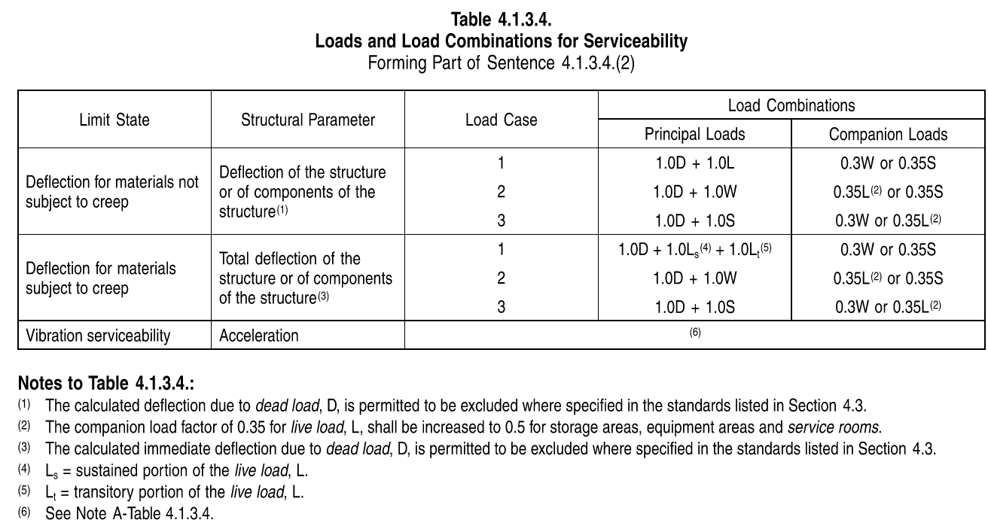
Load Combination | Description |  | Symbol | Description
0.9(Ds + Deq) ± 1W | Empty + wind |  | Dₛ | Structure Self Weight
1(Ds + Dhy) ± 1W | Test + wind |  | Deq | Equipment Empty Dead Load
1(Ds + Deq) ± 1.0E | Empty + earthquake |  | Dop | Equipment Operating Dead Load
1(Ds + Dop) ± 1(F + TA) + 1L + 0.5S | Operating +live +snow |  | Dhy | Equipment Hydrostatic Test Dead Load
1(Ds + Dop) ± 1TA + 0.5L ± 1W | Operating +wind +live |  | Dc | Cable Tray Dead Load
1(Ds + Dop) ± 1TA + 1L ± 0.4W | Operating +live +wind |  | Lf | Floor Live Load
1(Ds + Dop) ± 1TA ± 1.0E + 0.5L + 0.25S | Operating +earthquake +live +snow |  | Lₘ | Equipment Impact Load
 |  |  | Lᵥ | Vehicle Load
 |  |  | Bₚ | Bundle Pull Load
 |  |  | Tₛ | Structural Components Thermal Load
 |  |  | Tt | Temporary Thermal Load
 |  |  | Tₐ | Piping Anchor Load
 |  |  | Tg | Piping Guide Load
 |  |  | F | Friction Load
 |  |  | S | Snow Load
 |  |  | W | Wind Load
 |  |  | Wp | Partial Wind Load
 |  |  | E | Seismic Load
 |  |  | C | Live Loads due to Cranes Including Self-Weight

For Detailed Design

SLS (Serviceability Limit States) | BLC
10-1.1_1 << Ds+Dop+Ts >> | DL | Factor | BLC | Factor | BLC | Factor | BLC | Factor | BLC | Factor | BLC | Factor | BLC | Factor
10-1.1_2 << Ds+Dop+Ts >> | DL | 1.00 | 2.00 | 1.00 | 5.00 | 1.00 | 17.00 | 0.70
10-1.1_3 << Ds+Dop+Ts >> | DL | 1.00 | 2.00 | 1.00 | 5.00 | 1.00 | 18.00 | 0.70
10-1.1_4 << Ds+Dop+Ts >> | DL | 1.00 | 2.00 | 1.00 | 5.00 | 1.00 | 17.00 | -0.70
10-1.2_1 << Ds+Dop+Ts+Tt >> | DL | 1.00 | 2.00 | 1.00 | 5.00 | 1.00 | 18.00 | -0.70
10-1.2_2 << Ds+Dop+Ts+Tt >> | DL | 1.00 | 2.00 | 1.00 | 5.00 | 1.00 | 6.00 | 0.50 | 17.00 | 0.7
10-1.2_3 << Ds+Dop+Ts+Tt >> | DL | 1.00 | 2.00 | 1.00 | 5.00 | 1.00 | 6.00 | 0.50 | 18.00 | 0.7
10-1.2_4 << Ds+Dop+Ts+Tt >> | DL | 1.00 | 2.00 | 1.00 | 5.00 | -1.00 | 6.00 | -0.50 | 17.00 | -0.7
10-2.1_1 << Ds+Dop+Ts+L >> | DL | 1.00 | 2.00 | 1.00 | 5.00 | -1.00 | 6.00 | -0.50 | 18.00 | -0.7
10-2.1_2 << Ds+Dop+Ts+L >> | DL | 1.00 | 2.00 | 1.00 | 5.00 | 1.00 | 7.00 | 1.00 | 17.00 | 0.5
10-2.1_3 << Ds+Dop+Ts+L >> | DL | 1.00 | 2.00 | 1.00 | 5.00 | 1.00 | 7.00 | 1.00 | 18.00 | 0.5
10-2.1_4 << Ds+Dop+Ts+L >> | DL | 1.00 | 2.00 | 1.00 | 5.00 | -1.00 | 7.00 | 1.00 | 17.00 | -0.5
10-3.1_1 << Ds+Dop+Ts+S >> | DL | 1.00 | 2.00 | 1.00 | 5.00 | -1.00 | 7.00 | 1.00 | 18.00 | -0.5
10-3.1_2 << Ds+Dop+Ts+S >> | DL | 1.00 | 2.00 | 1.00 | 5.00 | 1.00 | 8.00 | 1.00 | 17.00 | 0.7
10-3.1_3 << Ds+Dop+Ts+S >> | DL | 1 | 2 | 1 | 5 | 1 | 8 | 1 | 18 | 0.7
10-3.1_4 << Ds+Dop+Ts+S >> | DL | 1 | 2 | 1 | 5 | -1 | 8 | 1 | 17 | -0.7
10-4.1a_1 << Ds+Dop+Ts+0.75Tt+L+0.35S >> | DL | 1 | 2 | 1 | 5 | -1 | 8 | 1 | 18 | -0.7
10-4.1a_2 << Ds+Dop+Ts+0.75Tt+L+0.35S >> | DL | 1 | 2 | 1 | 5 | 1 | 6 | 0.375 | 7 | 1 | 8 | 0.35 | 17 | 0.525
10-4.1a_3 << Ds+Dop+Ts+0.75Tt+L+0.35S >> | DL | 1 | 2 | 1 | 5 | 1 | 6 | 0.375 | 7 | 1 | 8 | 0.35 | 18 | 0.525
10-4.1a_4 << Ds+Dop+Ts+0.75Tt+L+0.35S >> | DL | 1 | 2 | 1 | 5 | -1 | 6 | -0.375 | 7 | 1 | 8 | 0.35 | 17 | -0.525
10-4.1b_1 << Ds+Dop+Ts+0.75Tt+0.35L+S >> | DL | 1 | 2 | 1 | 5 | -1 | 6 | -0.375 | 7 | 1 | 8 | 0.35 | 18 | -0.525
10-4.1b_2 << Ds+Dop+Ts+0.75Tt+0.35L+S >> | DL | 1 | 2 | 1 | 5 | 1 | 6 | 0.375 | 7 | 0.35 | 8 | 1 | 17 | 0.525
10-4.1b_3 << Ds+Dop+Ts+0.75Tt+0.35L+S >> | DL | 1 | 2 | 1 | 5 | 1 | 6 | 0.375 | 7 | 0.35 | 8 | 1 | 18 | 0.525
10-4.1b_4 << Ds+Dop+Ts+0.75Tt+0.35L+S >> | DL | 1 | 2 | 1 | 5 | -1 | 6 | -0.375 | 7 | 0.35 | 8 | 1 | 17 | -0.525
10-5.1_1 << Ds+Dop+Ts+W >> | DL | 1 | 2 | 1 | 5 | -1 | 6 | -0.375 | 7 | 0.35 | 8 | 1 | 18 | -0.525
10-5.1_2 << Ds+Dop+Ts+W >> | DL | 1 | 2 | 1 | 5 | 1 | 9 | 1 | 25 | 1
10-5.1_3 << Ds+Dop+Ts+W >> | DL | 1 | 2 | 1 | 5 | 1 | 10 | 1 | 25 | 1
10-5.1_4 << Ds+Dop+Ts+W >> | DL | 1 | 2 | 1 | 5 | -1 | 9 | -1 | 25 | 1
10-5.1_5 << Ds+Dop+Ts+W >> | DL | 1 | 2 | 1 | 5 | -1 | 10 | -1 | 25 | 1
10-5.1_6 << Ds+Dop+Ts+W >> | DL | 1 | 2 | 1 | 5 | 1 | 23 | 1 | 25 | 1
10-5.1_7 << Ds+Dop+Ts+W >> | DL | 1 | 2 | 1 | 5 | 1 | 24 | 1 | 25 | 1
10-5.1_8 << Ds+Dop+Ts+W >> | DL | 1 | 2 | 1 | 5 | -1 | 23 | -1 | 25 | 1
10-5.1_9 << Ds+Dop+Ts+W >> | DL | 1 | 2 | 1 | 5 | -1 | 24 | -1 | 25 | 1
10-5.1_10 << Ds+Dop+Ts+W >> | DL | 1 | 2 | 1 | 5 | 1 | 9 | 1 | 25 | -1
10-5.1_11 << Ds+Dop+Ts+W >> | DL | 1 | 2 | 1 | 5 | 1 | 10 | 1 | 25 | -1
10-5.1_12 << Ds+Dop+Ts+W >> | DL | 1 | 2 | 1 | 5 | -1 | 9 | -1 | 25 | -1
10-5.1_13 << Ds+Dop+Ts+W >> | DL | 1 | 2 | 1 | 5 | -1 | 10 | -1 | 25 | -1
10-5.1_14 << Ds+Dop+Ts+W >> | DL | 1 | 2 | 1 | 5 | 1 | 23 | 1 | 25 | -1
10-5.1_15 << Ds+Dop+Ts+W >> | DL | 1 | 2 | 1 | 5 | 1 | 24 | 1 | 25 | -1
10-5.1_16 << Ds+Dop+Ts+W >> | DL | 1 | 2 | 1 | 5 | -1 | 23 | -1 | 25 | -1
10-5.2_1 << Ds+Dop+Ts+0.7Eo >> | DL | 1 | 2 | 1 | 5 | -1 | 24 | -1 | 25 | -1
10-5.2_2 << Ds+Dop+Ts+0.7Eo >> | DL | 1 | 2 | 1 | 5 | 1 | 13 | 0.7
10-5.2_3 << Ds+Dop+Ts+0.7Eo >> | DL | 1 | 2 | 1 | 5 | 1 | 14 | 0.7
10-5.2_4 << Ds+Dop+Ts+0.7Eo >> | DL | 1 | 2 | 1 | 5 | -1 | 13 | -0.7
10-6a.1_1 << Ds+Dop+Ts+0.35L+0.3W+0.35S >> | DL | 1 | 2 | 1 | 5 | -1 | 14 | -0.7
10-6a.1_2 << Ds+Dop+Ts+0.35L+0.3W+0.35S >> | DL | 1 | 2 | 1 | 5 | 1 | 7 | 0.35 | 8 | 0.35 | 9 | 0.3 | 25 | 0.3
10-6a.1_3 << Ds+Dop+Ts+0.35L+0.3W+0.35S >> | DL | 1 | 2 | 1 | 5 | 1 | 7 | 0.35 | 8 | 0.35 | 10 | 0.3 | 25 | 0.3
10-6a.1_4 << Ds+Dop+Ts+0.35L+0.3W+0.35S >> | DL | 1 | 2 | 1 | 5 | -1 | 7 | 0.35 | 8 | 0.35 | 9 | -0.3 | 25 | 0.3
10-6a.1_5 << Ds+Dop+Ts+0.35L+0.3W+0.35S >> | DL | 1 | 2 | 1 | 5 | -1 | 7 | 0.35 | 8 | 0.35 | 10 | -0.3 | 25 | 0.3
10-6a.1_6 << Ds+Dop+Ts+0.35L+0.3W+0.35S >> | DL | 1 | 2 | 1 | 5 | 1 | 7 | 0.35 | 8 | 0.35 | 23 | 0.3 | 25 | 0.3
10-6a.1_7 << Ds+Dop+Ts+0.35L+0.3W+0.35S >> | DL | 1 | 2 | 1 | 5 | 1 | 7 | 0.35 | 8 | 0.35 | 24 | 0.3 | 25 | 0.3
10-6a.1_8 << Ds+Dop+Ts+0.35L+0.3W+0.35S >> | DL | 1 | 2 | 1 | 5 | -1 | 7 | 0.35 | 8 | 0.35 | 23 | -0.3 | 25 | 0.3
10-6a.1_9 << Ds+Dop+Ts+0.35L+0.3W+0.35S >> | DL | 1 | 2 | 1 | 5 | -1 | 7 | 0.35 | 8 | 0.35 | 24 | -0.3 | 25 | 0.3
10-6a.1_10 << Ds+Dop+Ts+0.35L+0.3W+0.35S >> | DL | 1 | 2 | 1 | 5 | 1 | 7 | 0.35 | 8 | 0.35 | 9 | 0.3 | 25 | -0.3
10-6a.1_11 << Ds+Dop+Ts+0.35L+0.3W+0.35S >> | DL | 1 | 2 | 1 | 5 | 1 | 7 | 0.35 | 8 | 0.35 | 10 | 0.3 | 25 | -0.3
10-6a.1_12 << Ds+Dop+Ts+0.35L+0.3W+0.35S >> | DL | 1 | 2 | 1 | 5 | -1 | 7 | 0.35 | 8 | 0.35 | 9 | -0.3 | 25 | -0.3
10-6a.1_13 << Ds+Dop+Ts+0.35L+0.3W+0.35S >> | DL | 1 | 2 | 1 | 5 | -1 | 7 | 0.35 | 8 | 0.35 | 10 | -0.3 | 25 | -0.3
10-6a.1_14 << Ds+Dop+Ts+0.35L+0.3W+0.35S >> | DL | 1 | 2 | 1 | 5 | 1 | 7 | 0.35 | 8 | 0.35 | 23 | 0.3 | 25 | -0.3
10-6a.1_15 << Ds+Dop+Ts+0.35L+0.3W+0.35S >> | DL | 1 | 2 | 1 | 5 | 1 | 7 | 0.35 | 8 | 0.35 | 24 | 0.3 | 25 | -0.3
10-6a.1_16 << Ds+Dop+Ts+0.35L+0.3W+0.35S >> | DL | 1 | 2 | 1 | 5 | -1 | 7 | 0.35 | 8 | 0.35 | 23 | -0.3 | 25 | -0.3
10-6b_1 << Ds+Dop+Ts+0.35L+0.75(0.7Eo)+0.35S >> | DL | 1 | 2 | 1 | 5 | -1 | 7 | 0.35 | 8 | 0.35 | 24 | -0.3 | 25 | -0.3
10-6b_2 << Ds+Dop+Ts+0.35L+0.75(0.7Eo)+0.35S >> | DL | 1 | 2 | 1 | 5 | 1 | 7 | 0.35 | 8 | 0.35 | 13 | 0.525
10-6b_3 << Ds+Dop+Ts+0.35L+0.75(0.7Eo)+0.35S >> | DL | 1 | 2 | 1 | 5 | 1 | 7 | 0.35 | 8 | 0.35 | 14 | 0.525
10-6b_4 << Ds+Dop+Ts+0.35L+0.75(0.7Eo)+0.35S >> | DL | 1 | 2 | 1 | 5 | -1 | 7 | 0.35 | 8 | 0.35 | 13 | -0.525
10-7.1_1 << 0.6(Ds+De)+Ts+W >> | DL | 1 | 2 | 1 | 5 | -1 | 7 | 0.35 | 8 | 0.35 | 14 | -0.525
10-7.1_2 << 0.6(Ds+De)+Ts+W >> | DL | 0.6 | 4 | 0.6 | 5 | 1 | 9 | 1 | 25 | 1
10-7.1_3 << 0.6(Ds+De)+Ts+W >> | DL | 0.6 | 4 | 0.6 | 5 | 1 | 10 | 1 | 25 | 1
10-7.1_4 << 0.6(Ds+De)+Ts+W >> | DL | 0.6 | 4 | 0.6 | 5 | -1 | 9 | -1 | 25 | 1
10-7.1_5 << 0.6(Ds+De)+Ts+W >> | DL | 0.6 | 4 | 0.6 | 5 | -1 | 10 | -1 | 25 | 1
10-7.1_6 << 0.6(Ds+De)+Ts+W >> | DL | 0.6 | 4 | 0.6 | 5 | 1 | 23 | 1 | 25 | 1
10-7.1_7 << 0.6(Ds+De)+Ts+W >> | DL | 0.6 | 4 | 0.6 | 5 | 1 | 24 | 1 | 25 | 1
10-7.1_8 << 0.6(Ds+De)+Ts+W >> | DL | 0.6 | 4 | 0.6 | 5 | -1 | 23 | -1 | 25 | 1
10-7.1_9 << 0.6(Ds+De)+Ts+W >> | DL | 0.6 | 4 | 0.6 | 5 | -1 | 24 | -1 | 25 | 1
10-7.1_10 << 0.6(Ds+De)+Ts+W >> | DL | 0.6 | 4 | 0.6 | 5 | 1 | 9 | 1 | 25 | -1
10-7.1_11 << 0.6(Ds+De)+Ts+W >> | DL | 0.6 | 4 | 0.6 | 5 | 1 | 10 | 1 | 25 | -1
10-7.1_12 << 0.6(Ds+De)+Ts+W >> | DL | 0.6 | 4 | 0.6 | 5 | -1 | 9 | -1 | 25 | -1
10-7.1_13 << 0.6(Ds+De)+Ts+W >> | DL | 0.6 | 4 | 0.6 | 5 | -1 | 10 | -1 | 25 | -1
10-7.1_14 << 0.6(Ds+De)+Ts+W >> | DL | 0.6 | 4 | 0.6 | 5 | 1 | 23 | 1 | 25 | -1
10-7.1_15 << 0.6(Ds+De)+Ts+W >> | DL | 0.6 | 4 | 0.6 | 5 | 1 | 24 | 1 | 25 | -1
10-7.1_16 << 0.6(Ds+De)+Ts+W >> | DL | 0.6 | 4 | 0.6 | 5 | -1 | 23 | -1 | 25 | -1
10-7.2_1 << 0.6(Ds+Dop)+Ts+W >> | DL | 0.6 | 4 | 0.6 | 5 | -1 | 24 | -1 | 25 | -1
10-7.2_2 << 0.6(Ds+Dop)+Ts+W >> | DL | 0.6 | 2 | 0.6 | 5 | 1 | 9 | 1 | 25 | 1
10-7.2_3 << 0.6(Ds+Dop)+Ts+W >> | DL | 0.6 | 2 | 0.6 | 5 | 1 | 10 | 1 | 25 | 1
10-7.2_4 << 0.6(Ds+Dop)+Ts+W >> | DL | 0.6 | 2 | 0.6 | 5 | -1 | 9 | -1 | 25 | 1
10-7.2_5 << 0.6(Ds+Dop)+Ts+W >> | DL | 0.6 | 2 | 0.6 | 5 | -1 | 10 | -1 | 25 | 1
10-7.2_6 << 0.6(Ds+Dop)+Ts+W >> | DL | 0.6 | 2 | 0.6 | 5 | 1 | 23 | 1 | 25 | 1
10-7.2_7 << 0.6(Ds+Dop)+Ts+W >> | DL | 0.6 | 2 | 0.6 | 5 | 1 | 24 | 1 | 25 | 1
10-7.2_8 << 0.6(Ds+Dop)+Ts+W >> | DL | 0.6 | 2 | 0.6 | 5 | -1 | 23 | -1 | 25 | 1
10-7.2_9 << 0.6(Ds+Dop)+Ts+W >> | DL | 0.6 | 2 | 0.6 | 5 | -1 | 24 | -1 | 25 | 1
10-7.2_10 << 0.6(Ds+Dop)+Ts+W >> | DL | 0.6 | 2 | 0.6 | 5 | 1 | 9 | 1 | 25 | -1
10-7.2_11 << 0.6(Ds+Dop)+Ts+W >> | DL | 0.6 | 2 | 0.6 | 5 | 1 | 10 | 1 | 25 | -1
10-7.2_12 << 0.6(Ds+Dop)+Ts+W >> | DL | 0.6 | 2 | 0.6 | 5 | -1 | 9 | -1 | 25 | -1
10-7.2_13 << 0.6(Ds+Dop)+Ts+W >> | DL | 0.6 | 2 | 0.6 | 5 | -1 | 10 | -1 | 25 | -1
10-7.2_14 << 0.6(Ds+Dop)+Ts+W >> | DL | 0.6 | 2 | 0.6 | 5 | 1 | 23 | 1 | 25 | -1
10-7.2_15 << 0.6(Ds+Dop)+Ts+W >> | DL | 0.6 | 2 | 0.6 | 5 | 1 | 24 | 1 | 25 | -1
10-7.2_16 << 0.6(Ds+Dop)+Ts+W >> | DL | 0.6 | 2 | 0.6 | 5 | -1 | 23 | -1 | 25 | -1
10-8.1_1 << 0.6(Ds+De)+Ts+0.7Ee >> | DL | 0.6 | 2 | 0.6 | 5 | -1 | 24 | -1 | 25 | -1
10-8.1_2 << 0.6(Ds+De)+Ts+0.7Ee >> | DL | 0.6 | 4 | 0.6 | 5 | 1 | 15 | 0.7
10-8.1_3 << 0.6(Ds+De)+Ts+0.7Ee >> | DL | 0.6 | 4 | 0.6 | 5 | 1 | 16 | 0.7
10-8.1_4 << 0.6(Ds+De)+Ts+0.7Ee >> | DL | 0.6 | 4 | 0.6 | 5 | -1 | 15 | -0.7
10-8.2_1 << 0.6(Ds+Dop)+Ts+0.7Eo >> | DL | 0.6 | 4 | 0.6 | 5 | -1 | 16 | -0.7
10-8.2_2 << 0.6(Ds+Dop)+Ts+0.7Eo >> | DL | 0.6 | 2 | 0.6 | 5 | 1 | 13 | 0.7
10-8.2_3 << 0.6(Ds+Dop)+Ts+0.7Eo >> | DL | 0.6 | 2 | 0.6 | 5 | 1 | 14 | 0.7
10-8.2_4 << 0.6(Ds+Dop)+Ts+0.7Eo >> | DL | 0.6 | 2 | 0.6 | 5 | -1 | 13 | -0.7
 |  | 0.6 | 2 | 0.6 | 5 | -1 | 14 | -0.7

(SLS) Local Member Design Only
10-1.2_1 << Ds+Dop+Ts+Tt >> | DL
10-1.2_2 << Ds+Dop+Ts+Tt >> | DL | 1 | 2 | 1 | 5 | 1 | 6 | 1 | 17 | 0.7
10-1.2_3 << Ds+Dop+Ts+Tt >> | DL | 1 | 2 | 1 | 5 | 1 | 6 | 1 | 18 | 0.7
10-1.2_4 << Ds+Dop+Ts+Tt >> | DL | 1 | 2 | 1 | 5 | 1 | 6 | 1 | 17 | -0.7
10-4.1_1 << Ds+Dop+Ts+0.75Tt+0.75L+0.75S >> | DL | 1 | 2 | 1 | 5 | 1 | 6 | 1 | 18 | -0.7
10-4.1_2 << Ds+Dop+Ts+0.75Tt+0.75L+0.75S >> | DL | 1 | 2 | 1 | 5 | 1 | 6 | 0.75 | 7 | 0.35 | 8 | 0.35 | 17 | 0.525
10-4.1_3 << Ds+Dop+Ts+0.75Tt+0.75L+0.75S >> | DL | 1 | 2 | 1 | 5 | 1 | 6 | 0.75 | 7 | 0.35 | 8 | 0.35 | 18 | 0.525
10-4.1_4 << Ds+Dop+Ts+0.75Tt+0.75L+0.75S >> | DL | 1 | 2 | 1 | 5 | 1 | 6 | 0.75 | 7 | 0.35 | 8 | 0.35 | 17 | -0.525
 |  | 1 | 2 | 1 | 5 | 1 | 6 | 0.75 | 7 | 0.35 | 8 | 0.35 | 18 | -0.525

Dead & Live Loads
Wall | 0.4 | kPa
Roof | 0.9 | kPa
Grating | 0.4 | kPa
floor plate | 0.5 | kPa
Allowance Load | 1 | kPa

4.1.4.1 – Dead Loads:

(a) weight of the member itself
(b) weight of all construction materials permanently supported
(c) weight of partitions
(d) weight of permanent equipment
(e) vertical load from earth, plants, trees

Design Criteria:
Ds = Self Weight (Primary + Secondary Members)
Deq = Empty Equipment (Fixed Equipment)
Dc = Cable Tray Dead Load

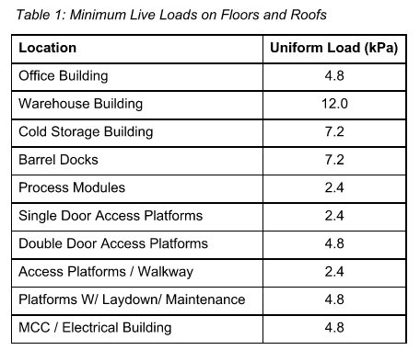
 |  |  | A
 |  |  | COLD-FORMED STEEL (GIRTS/PURLINS/ROOF DECKING)
 |  |  | CLADDING SYSTEMS (CURTAIN WALLS/SIDING/MASONRY VENEER/EXTERIOR PANELS)
 |  |  | ROOFING MATERIAL (METAL PANELS/TILES/MEMBRANE)
 |  |  | OPENINGS (DOORS/WINDOWS/LOUVERS/SKYLIGHTS/ROOF HATCH)
 |  |  | MISCELLANEOUS (HANDRAILS/GUARDRAILS/CANOPIES/PARAPETS/SUNSHADES)
 |  |  | FASTENERS/CONNECTIONS/FRAMING
 |  |  | OTHER
 |  |  | NONE

Wind, Snow & Seismic (Building)
 | Building Dimensions:

 |  |  | WRoof = | 25 | m | LRoof = | 35.62 | m | Hroof = | 2.907 | m

 |  |  | WRoof x = WREaves = | 17.59 | m | Lbldg = | 36.41 | m | Hbldg = | 14.347 | m

 |  |  | WBldg = | 18.41 | m | Href = | 12.8735 | m | HEaves = | 11.4 | m | Hopening = | 5 | m

 | Select Province |  | Alberta |  |  | Elev., m | Jan 2.5% °C | Jan 1% °C | Jul 2.5% Dry °C | Jul 2.5% Wet °C | Degree-Days <18°C | 15-min Rain, mm | One Day Rain 1/50, mm | Annual Rain, mm | Moist. Index | Ann. Total Ppn., mm | Driving Rain Pressure Pa (1/5) | Snow Ss kPa (1/50) | Snow Sr kPa (1/50) | Hourly Wind kPa (1/10) | Hourly Wind kPa (1/50) | Province | Location
 | Select City/Town |  | Fort McMurray |  |  | 255 | -38 | -40 | 28 | 19 | 6250 | 13 | 86 | 340 | 0.5 | 460 | 60 | 1.5 | 0.1 | 0.28 | 0.35 | Alberta | Fort McMurray
 | Key | Alberta|Fort McMurray | (Table C-2 , Appendix C, NBCC 2020)
 | or

 | Enter Location: |  | Inuvik
 | (e.g., Calgary)
 |  |  | 68.3602632, -133.7203860 |  |  | 68.36,-133.72

 | or
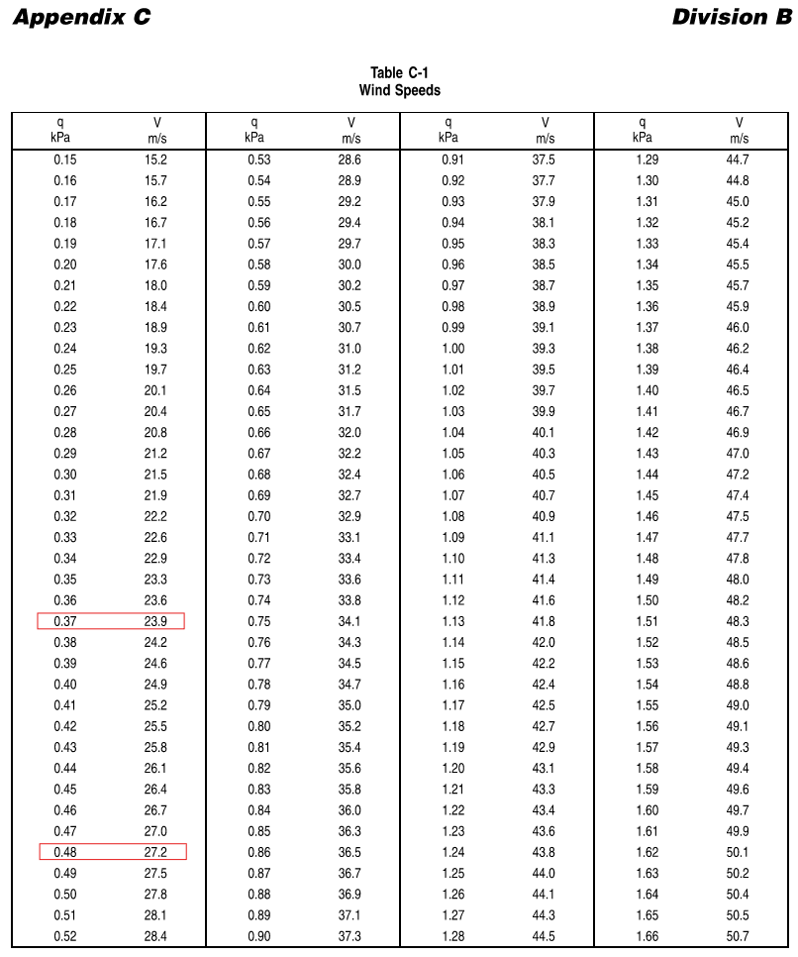
 | Enter Coordinates:

(Refer Article 4.1.6, Division B , Part 4 ,Volume 1,NBCC 2020)
Snow Load (SL)

Snow Load (Snow +Rain) |  |  |  |  |  |  |  | S = Is [Ss (Cb Cw Cs Ca) + Sr]

Limit States |  |  |  |  |  |  |  |  | ULS |  |  | (Table 4.1.6.2-A)
Importance Category for Snow load: |  |  |  |  |  |  |  |  | Normal |  |  | (Table 4.1.6.2-A)

Importance Factor for Snow Load (Is) |  |  |  |  |  |  |  | Is | = | 1.00 |  | (Table 4.1.6.2-A)

 |  |  |  |  |  |  |  | Ss | = | 1.50 | kPa | (Table C-2 , Appendix C)
 |  |  |  |  |  | 1/50 year Associated Rain Load |  | Sr | = | 0.10 | kPa

 | Basic Roof Snow Load Factor
 | NBCC 2020 Section 4.1.6.2 (5)
 | Gable roof snow load factor

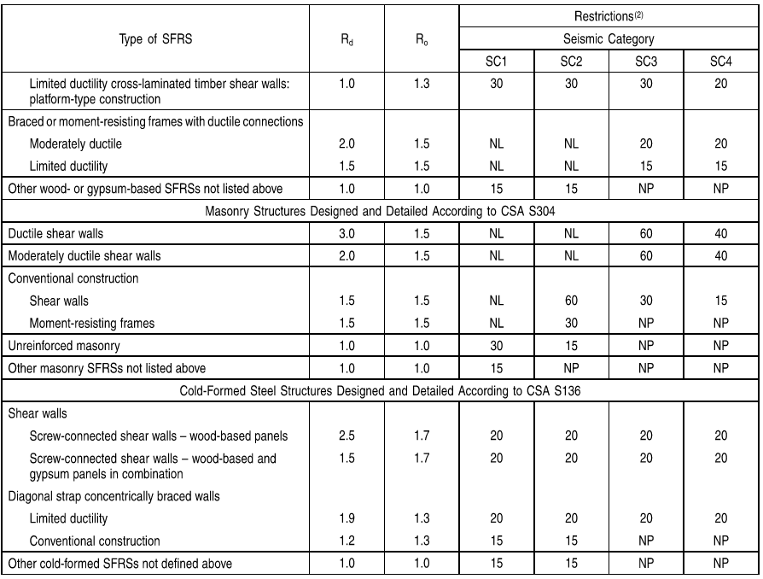
 |  | Cb = | 0.8 for lc ≤ (70/Cw²)

 |  | WRoof = | 25.00 | m | LRoof = | 35.62 | m | Hroof = | 2.907 | m |  | WREaves = | 17.59 | m

 |  | lc = 2w-(w²/l)
 |  | = | 14.907355418 | m

 |  | lc ≤ | 70 | m | TRUE |  |  |  | Cb | = | 0.80

 | Wind exposure factor
 | NBCC 2020 - Section 4.1.6.2 (3) , 4.1.6.2 (4)

 | Enter Location: |  | Fort Mckay |  |  | South of the treeline |  |  | Cw | = | 1
 | (e.g., Calgary)
 |  |  | 57.1825744, -111.6378436

 | or

 | Enter Coordinates: |  | 57.3913126,-111.0493588

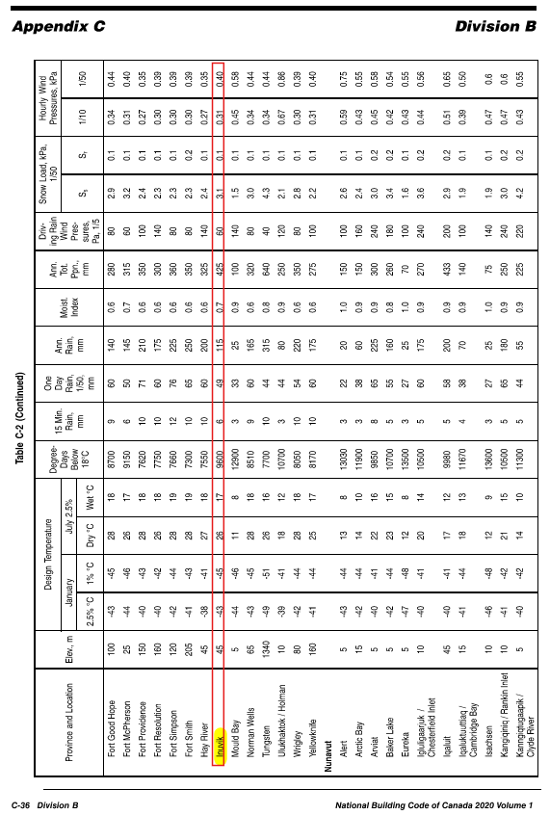
 | NBCC 2020 Section 4.1.6.2 (5)

 |  | α = | arctan(Hroof/0.5WRoof - Flat) |  |  |  |  |  | α = | 18.290203546 | °

 | a) | Cs = | 1 | if | α ≤ 30° |  |  |  | TRUE

 | b) | (70° − α)/40° |  | ≯ | 30° > α < 70° |  |  |  | FALSE

 |  | α = | 1.2927449114 | °

 | c) | Cs = | 0 | if | α > 70° |  |  |  | FALSE

 |  |  | d) Snow/Ice load due to sliding.
 |  |  |  |  |  |  |  |  | Cs | = | 1.00
 |  |  | e) Increased snow loads in roof valleys as prescribed in:

 |  |  | f) Increased Snow or Ice loads due to meltwater draining from adjacent
 |  |  | building elements and roof projections.

 |  |  | Associated rain load

 |  |  | Sr ≤ Ss (Cb Cw Cs Ca) |  |  |  |  |  | S | = | 0.10 | kPa | CHECK

(Refer Article 4.1.7, Division B , Part 4 ,Volume 1,NBCC 2020)
Wind Load

Static Procedure

Limit States |  |  |  |  |  |  |  |  | ULS |  |  | NBCC 2020 - 4.1.7.3
Importance Category for wind load: |  |  |  |  |  |  |  |  | Normal

Importance Factor for Wind Load (Iw) |  |  |  |  |  |  |  | Iw | = | 1.00 |  | (Table 4.1.7.3)

Wind external pressure/suction: |  |  |  |  |  |  |  | p = Iw q Ce Ct Cg Cp

Average air density |  |  |  |  |  |  |  | ρ | = | 1.2929 | kg/m3

Wind speed: |  |  |  |  |  |  |  |  |  |  |  | (Table C-1 , Appendix C)
 |  |  |  |  |  |  |  |  |  |  |  |  | q = 0.5 ρ V 2
Reference velocity pressure |  |  |  |  |  | (1/50 years) |  | q | = | 0.35 | kPa |  |  | q = 0.00064645 V2
 |  |  |  |  |  |  |  |  |  |  |  |  |  | =0.00064645*L137^2
 |  |  |  |  |  |  |  | V | = | √(q/ 0.00064645)
Basic wind pressure |  |  |  |  |  |  |  |  |  |  |  |  |  | =V20,W20
 |  |  |  |  |  |  |  |  | = | 23.268401675
 |  |  |  |  |  |  |  |  |  |  |  |  |  | 27.2 |  |  |  |  |  |  |  |  |  | Terrain |  |  |  |  |  | Ce |  |  | Terrain |  |  |  |  |  | Ce
For the Reference Height of the Structure: |  |  |  |  |  |  |  | V | = | 27.20 | m/s |  |  |  |  |  |  |  |  |  |  |  |  | Open | = | (h/10)0.2 | 1.05 | ≥ | 0.9 | 1.05 |  |  | Open | = | (h/10)0.2 | 1.05 | ≥ | 0.9 | 1.05
NBCC 2020 Section 4.1.7.3 (6)(a) |  |  |  |  |  |  |  |  |  |  |  |  |  |  |  |  |  |  |  |  |  |  |  | Rough | = | 0.7*(h/12)0.3 | 0.71 | ≥ | 0.7 | 0.71 |  |  | Rough | = | 0.7*(h/12)0.3 | 0.71 | ≥ | 0.7 | 0.71
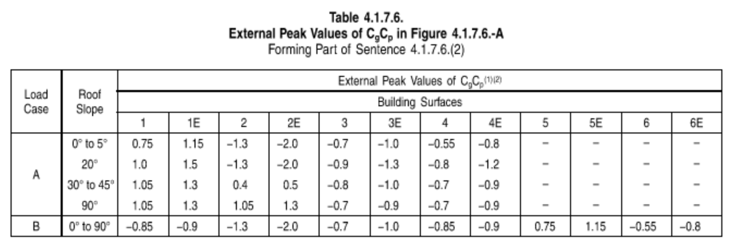
 | Heaves = | 11.40 | m
 | Href = | 12.87 | m |  |  |  |  |  |  |  |  |  |  |  |  |  |  |  |  |  |  |  |  |  |  |  |  |  |  |  |  |  |  |  |  | Table 4.1.7.6.
 |  |  |  |  |  |  |  |  |  |  |  |  |  |  |  |  |  |  |  |  |  |  |  |  |  |  |  |  |  |  |  |  |  |  | External Peak Values of C gC p in Figure 4.1.7.6.-A
 | a) Href ≤ 20 m & Href < WBldg |  |  |  |  | TRUE |  |  |  |  |  |  |  |  |  |  |  |  |  |  |  |  |  |  |  |  |  |  |  |  |  |  |  | Column1 | Column2 | Column3 | Column4 | Column5 | Column6
 |  |  |  |  |  |  |  |  |  |  |  |  |  |  |  |  |  |  |  |  |  |  |  |  |  |  |  |  |  |  |  |  |  | 1 | 0.75 | 1 | 1.05 | 1.05 | -0.85
 |  |  |  |  |  |  |  |  |  |  |  |  |  |  |  |  |  |  |  |  |  |  |  |  |  |  |  |  |  |  |  |  |  | 1E | 1.15 | 1.5 | 1.3 | 1.3 | -0.9
 | b) Href > 20 m & Href < WBldg |  |  |  |  | FALSE |  |  |  |  |  |  |  |  |  |  |  |  |  |  |  |  |  |  |  |  |  |  |  |  |  |  |  | 2 | -1.3 | -1.3 | 0.4 | 1.05 | -1.3
 |  | Otherwise: |  |  |  |  |  |  |  |  |  |  |  |  |  |  |  |  |  |  |  |  |  |  |  |  |  |  |  |  |  |  |  | 2E | -2 | -2 | 0.5 | 1.3 | -2
 |  | i) H = Heaves = |  |  | 11.4 | m ≯ 20 m | for α = | 18.290203546 | ° |  |  |  |  |  |  |  |  |  |  |  |  |  |  |  |  |  |  |  |  |  |  |  |  | 3 | -0.7 | -0.9 | -0.8 | -0.7 | -0.7
 |  |  |  |  |  |  |  |  |  |  |  |  |  |  |  |  |  |  |  |  |  |  |  |  |  |  |  |  |  |  |  |  |  | 3E | -1 | -1.3 | -1 | -1 | -1
 |  |  |  |  |  |  |  |  |  |  |  |  |  |  |  |  |  |  |  |  |  |  |  |  |  |  |  |  |  |  |  |  |  | 4 | -0.55 | -0.8 | -0.7 | -0.7 | -0.85
 |  |  |  |  |  |  |  |  |  |  |  |  |  |  |  |  |  |  |  |  |  |  |  |  |  |  |  |  |  |  |  |  |  | 4E | -0.8 | -1.2 | -0.9 | -0.9 | -0.9
 |  |  |  |  |  |  |  |  |  |  |  |  |  |  |  |  |  |  |  |  |  |  |  |  |  |  |  |  |  |  |  |  |  | 5 |  |  |  |  | 0.75
For the Exposure Factor, Ce: |  |  |  |  |  |  |  |  |  |  |  |  |  |  |  |  |  |  |  |  |  |  |  |  |  |  |  |  |  |  |  |  |  | 5E |  |  |  |  | 1.15
NBCC 2020 Section 4.1.7.3 (5) |  |  |  |  |  |  |  |  |  |  |  |  |  |  |  |  |  |  |  |  |  |  |  |  |  |  |  |  |  |  |  |  |  | 6 |  |  |  |  | -0.55
 |  |  |  |  |  |  |  |  |  |  |  |  |  |  |  |  |  |  |  |  |  |  |  |  |  |  |  |  |  |  |  |  |  | 6E |  |  |  |  | -0.8
 | Type of terrain |  |  |  |  | Open
 |  |  |  |  |  |  |  |  |  |  |  |  |  |  |  |  |  |  |  |  |  |  |  |  |  |  |  |  |  |  |  |  |  | Load Cases | A |  |  |  | B
 | a) | Ce = | (Href/10)0.2 | ≥ | 0.9 |  |  |  |  |  |  |  |  |  |  |  |  |  |  |  |  |  |  |  |  |  |  |  |  |  |  |  |  | Surface | 0° to 5° | 20° | 30° to 45° | 90° | 0° to 90°
 |  | Ce = | 1.0518149212 | ≥ | 0.9 | TRUE |  | Ce | = | 1.05

 | b) |  | 0.7(Href/12)0.3 | ≥ | 0.7
 |  |  | 0.71491211609 | ≥ | 0.7 | TRUE

 | c) |  | Ce < 1000m or Ce < 20Href
 |  |  | See Note A-4.1.7.3.(5)(c).

For the Topographic Factor, Ct: |  |  |  |  |  |  |  | Ct | = | 1.00
NBCC 2020 Section 4.1.7.4

a) Primary Members
 | BEAMS

b) Secondary Members
 | NONE

For the External Pressure Coefficients, Cp:
NBCC 2020 - Section 4.1.7.5

1) | b) Article 4.1.7.6. for certain shapes of low buildings. |  |  |  |  | O.K.

2) | Main Structural System, the value Cp

 |  |  | Hparallel = | 12.87 | m | Dparallel = | 36.41 | m

 |  |  | H/D = | 0.35347432024

a) | Windward face:

 | Cp = 0.6 for H/D < |  | 0.25 |  |  | FALSE

 |  | Cp = 0.27(H/D +2) | 0.25 ≤ H/D < 1.0 |  |  | 0.54 |  | Cp = | 0.54 | Windward face.
 |  | .= | 0.54
 | Cp = 0.8 for H/D ≥ 1.0 |  | #VALUE! |  |  | FALSE

b) | Leeward face:

 | C p = –0.3 for H/D < 0.25 |  |  |  |  | FALSE

 | Cp = –0.27(H/D + 0.88) for 0.25 ≤ H/D < 1.0 |  |  |  |  | -0.33303806647 |  | Cp = | -0.33303806647 | Leeward face.

 | Cp = –0.5 for H/D ≥ 1.0 |  |  |  |  | FALSE

c) | Walls parallel to the wind: |  |  |  |  |  |  | Cp = | -0.7 | Walls parallel to the wind.
 |  | (See Note A-4.1.7.5.(2) and (3).)

3) |  | For the roof design, x = distance from the upwind roof edge (2E, 3E & 4E are considered upwind edges).

 | a) | H/D ≥ 1.0, C p = –1.0 |  |  | FALSE

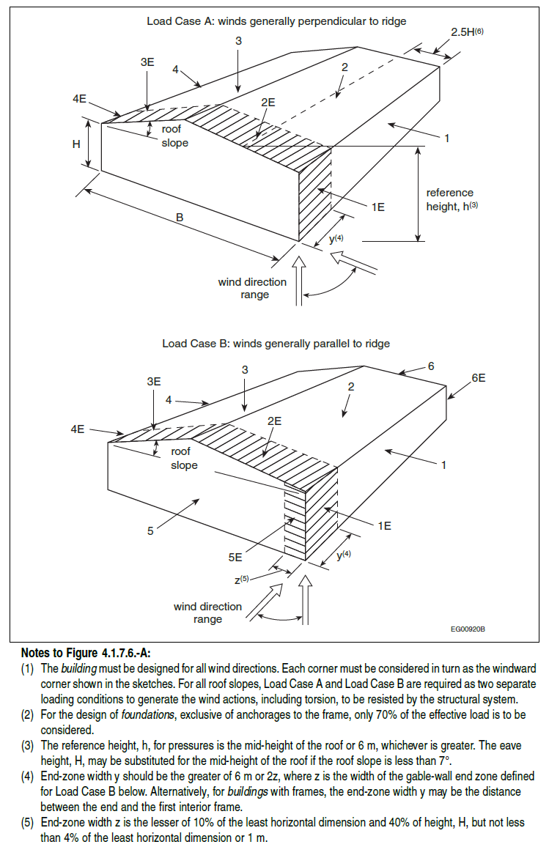
 | b) | H/D < 1.0
 |  |  | C p = –1.0 for x ≤ H, and
 |  |  | C p = –0.5 for x > H.

4) |  | Design of Cladding/Secondary structural elements. |  |  |  | For Detailed Design …

 | NBCC 2020 - Section 4.1.7.6.
 | External Pressure Coefficients for Low Buildings

1) | For Building with heights H ≤ 20 m & < WBldg, then the following as per 4.1.7.6 (2) & 4.1.7.6 (9) can be used.

 |  | a) Href ≤ 20 m & Href < WBldg |  |  | TRUE

2) | For Main Structural Building Design effected by pressures exterted in more than one surface |  |  |  |  |  |  |  | (See Fig. 4.1.7.6-A),
 | Values of CgCp are provided in Table 4.1.7.6

 | Figure 4.1.7.6.-A

3) | For the design of individual walls and wall cladding, the values of CgCp are provided in Figure 4.1.7.6.-B.
4)
5) | End-zone width z is the lesser of 10% of the least horizontal dimension and 40% of height, H, but not less than 4% of the least horizontal dimension or 1 m.
 | Main Structural Building Design effected by pressures exterted in more than one surface

 | Z1 = | 1.841 |  | Z2 = | 4.56 | Z = Z1 + Z2 = 0.1WBldg + 0.4HEaves = |  |  |  | 6.401 | m | Y = 2Z = | 12.802 | m

6) |  | B/H > 5 | B/H = | 1.6149122807 | ≯ 5 | N.G.

 | Table 4.1.7.6. |  |  | α = | 18.290203546 | °
 | Load Case | Roof Slope | 1 | 1E | 2 | 2E | 3 | 3E | 4 | 4E | 5 | 5E | 6 | 6E
 | A | 0° to 5° | 0.75 | 1.15 | -1.3 | -2 | -0.7 | -1 | -0.55 | -0.8 | – | – | – | –
 | A | 20° | 1 | 1.5 | -1.3 | -2 | -0.9 | -1.3 | -0.8 | -1.2 | – | – | – | –
 | A | 30° to 45° | 1.05 | 1.3 | 0.4 | 0.5 | -0.8 | -1 | -0.7 | -0.9 | – | – | – | –
 | A | 90° | 1.05 | 1.3 | 1.05 | 1.3 | -0.7 | -0.9 | -0.7 | -0.9 | – | – | – | –
 | B | 0° to 90° | -0.85 | -0.9 | -1.3 | -2 | -0.7 | -1 | -0.85 | -0.9 | 0.75 | 1.15 | -0.55 | -0.8

 |  | Load Case |  | A |  |  |  |  |  | B
 |  | Roof Slope |  | 0° to 5° | yo = | Cg1 Cp1 = | -0.55 |  |  | 0° to 90° | yo = | Cg1 Cp1.= | -0.7
 |  | Bulding Surface |  | 4 |  |  |  |  |  | 3

 |  |  |  | A |  |  |  |  |  | B
 |  |  |  | 20° | y1 = | Cg2 Cp2 = | -0.8 |  |  | 0° to 90° | y1 = | Cg2 Cp2 = | 0.75
 |  |  |  | 4 |  |  |  |  |  | 5

 |  |  |  | Cg Cp | = | -0.77150339243 |  |  |  | Cg Cp | = | 0.58471967607
 |  |  |  | (Interpolated Value) |  |  |  |  |  | (Interpolated Value)

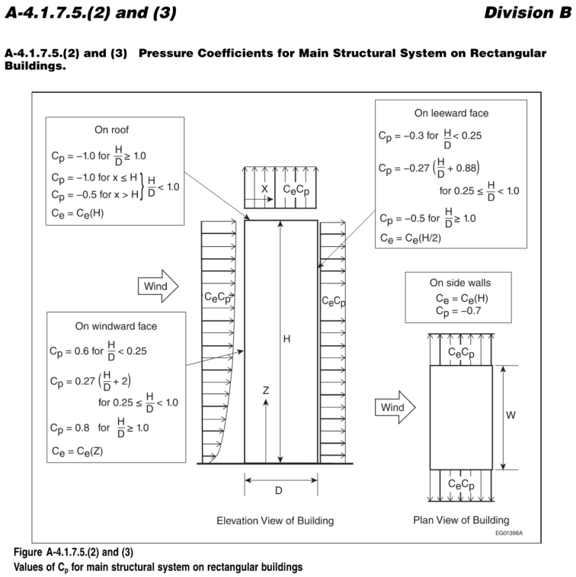
 |  |  | Load Case A: | p = | 0.36813522241 | (Cg Cp) kPa |  |  |  | Load Case B: | p= | 0.37 | (Cg Cp) kPa
 |  |  |  | = | -0.28401757296 | kPa |  |  |  |  | = | 0.215255908 | kPa

 | NBCC 2020 - Section 4.1.7.3. (1)

 |  | p = | Iw q Ce Ct Cg Cp

 | ULS - 1/10 year Wind - Primary Members

 | ULS - 1/50 year Wind - Primary Members

 | SLS - 1/10 year Wind - Primary Members

 | SLS - 1/50 year Wind - Primary Members

 |  | p = | 0.215255908 |  | At point 2 where α = |  | ° where the wind direction is parallel to the ridge.
 |  | p = | -0.28401757296 |  | At point 2E where α = |  | ° where the wind direction is perpendicular to the ridge.
 |  | p = | 0.215255908 |  | At point 3 where α = |  | ° where the wind direction is parallel to the ridge.
 |  | p = | -0.28401757296 |  | At point 3E where α = |  | ° where the wind direction is perpendicular to the ridge.
 |  | p = | 0.215255908 |  | At point 4 where α = |  | ° where the wind direction is parallel to the ridge.
 |  | p = | -0.28401757296 |  | At point 4 where α = |  | ° where the wind direction is perpendicular to the ridge.
 |  | p = | 0.215255908 |  | At point 4E where α = |  | ° where the wind direction is parallel to the ridge.
 |  | p = | -0.28401757296 |  | At point 4E where α = |  | ° where the wind direction is perpendicular to the ridge.
 | NBCC 2020 Section 4.1.7.3 (7)
a) | If the building Href > 20 m & has a |  |  | Dominant Opening (Select) |  |  | FALSE

 | and the opening at mid-height is Zmid = |  |  |  | 2.5 | m

 |  | Cei = Ce at the mid-height of the opening is |  |  |  |  | N/A

 | b) | Otherwise, if Href ≥ 6 m, |  |  |  |  | TRUE |  | Cei = Ce = | 1.0518149212

 |  | Note: H = Heaves, Href = Heaves if Slope < 7

 | For the Gust Effect Factor of internal pressures, Cgi:
 | NBCC 2020 Section 4.1.7.4 (10) |  |  |  |  |  |  |  | Cgi = | 2

 | For structures with large unpartitioned volumes and few overhead doors: |  |  |  |  |  |  |  | Cg i= | 1.2022545998

 |  |  | Cgi = | .= | 1.2022545998

 |  |  | V0 = | 8078.9564738 | m3
 |  |  | A = | 49.58 | m2

 | For the Internal Pressures Coefficient, Cpi:
 | NBCC 2020 - Section 4.1.7.7 (1)

 | Cpi for buildings with the following openings:

 | a) | Uniformly distributed small openings amounting to less than 0.1% of the to building Surface Area |  |  |  |  |  |  | -.15 ≤ x ≤ 0

 | b) | Non-uniform non-significant distributed openings, or significant wind resistant operational openings. |  |  |  |  |  |  | -.45 ≤ x ≤ .30

 | c) | Large openings to remain |  |  |  |  |  |  | -.70 ≤ x ≤ .70

 |  |  |  |  |  |  |  |  | Cpi = | -0.7
 |  |  |  |  |  |  |  |  | Cpi = | 0.7

 | NBCC 2020 - Section 4.1.7.3 (3) - Internal Pressure suction due to wind

 |  | pi = | Iw q Cei Ct Cgi Cpi

 |  |  | pi = | -0.51538931137 | ULS - Normal Importance - 1/50 year wind - flat topographic surface - Href > 6m - Pressure exerted on building with large openings likely to remaing open.
 |  |  | pi = | 0.51538931137 | ULS - Normal Importance - 1/50 year wind - flat topographic surface - Href > 6m - Pressure exerted on building with large openings likely to remaing open.
 |  |  | pi = | -0.30981458514 | ULS - Normal Importance - 1/50 year wind - flat topographic surface - Href > 6m - Structures with large unpartitioned volumes and few overhead doors - Pressure exerted on building with large openings likely to remaing open.
 |  |  | pi = | 0.30981458514 | ULS - Normal Importance - 1/50 year wind - flat topographic surface - Href > 6m - Structures with large unpartitioned volumes and few overhead doors - Suction exerted on building with large openings likely to remaing open.

 | (Refer Article 4.1.8, Division B , Part 4 ,Volume 1,NBCC 2020)
 | Earthquake Loads

 | Seismic Load (WL)
 |  |  |  |  |  |  |  |  |  |  | (Table 4.1.2.1)
 | Importance Category |  |  |  |  |  |  | ULS |  |  | (Table 4.1.8.5-A)
 |  |  |  |  |  |  |  | Normal

 | Importance factor for seismic load (IE) |  |  |  |  |  | IE | = | 1.00

 | Enter Location: |  | Calgary |  |  | 51.0456064, -114.0575410 |  |  | 51.05,-114.06
 | (e.g., Calgary, AB)

 | or

 | Enter Coordinates: |  | 57, 111

 | https://ags.aer.ca/interactive-data-and-tools/coordinate-conversion-tools/latitude-and-longitude-ats
 | ATS to Geographic Degrees | Alberta Geological Survey
 | Alberta Earthquakes | Alberta Geological Survey |  |  |  |  |  |  | Location Entry Values |  |  |  |  |  | Coordinates Entry Value
 |  |  |  |  |  |  |  |  |  |  | (Table 4.1.8.4.-C)
 | Design Spectral Acceleration S(T) for period T: |  |  |  |  |  | S(0.2) | = | 0.2440 |  |  |  | S(0.2) | = | #N/A
 | 2020 National Building Code of Canada Seismic Hazard Tool |  |  |  |  |  | S(0.5) | = | 0.1600 |  |  |  | S(0.5) | = | #N/A |  |  |  |  |  |  |  |  |  |  |  |  |  |  |  |  |  |  |  |  |  |  |  |  | COLD-FORMED STEEL (GIRTS/PURLINS/ROOF DECKING)
 |  |  |  |  |  |  | S(1.0) | = | 0.0820 |  |  |  | S(1.0) | = | #N/A |  |  |  |  |  |  |  |  |  |  |  |  |  |  |  |  |  |  |  |  |  |  |  |  | CLADDING SYSTEMS (CURTAIN WALLS/SIDING/MASONRY VENEER/EXTERIOR PANELS)
 |  |  |  |  |  |  | S(2.0) | = | 0.0402 |  |  |  | S(2.0) | = | #N/A |  |  |  |  |  |  |  |  |  |  |  |  |  |  |  |  |  |  |  |  |  |  |  |  | ROOFING MATERIAL (METAL PANELS/TILES/MEMBRANE)
 |  |  |  |  |  |  | S(5.0) | = | 0.0187 |  |  |  | S(5.0) | = | #N/A |  |  |  |  |  |  |  |  |  |  |  |  |  |  |  |  |  |  |  |  |  |  |  |  | OPENINGS (DOORS/WINDOWS/LOUVERS/SKYLIGHTS/ROOF HATCH)
 |  |  |  |  |  |  | S(10.0) | = | 0.0123 |  |  |  | S(10.0) | = | #N/A |  |  |  |  |  |  |  |  |  |  |  |  |  |  |  |  |  |  |  |  |  |  |  |  | MISCELLANEOUS (HANDRAILS/GUARDRAILS/CANOPIES/PARAPETS/SUNSHADES)
 | Peak Ground Acceleration |  |  |  |  |  | PGA | = | 0.1130 |  | (Table 4.1.8.4.-B) |  | PGA | = | #N/A |  |  |  |  |  |  |  |  |  |  |  |  |  |  |  |  |  |  |  |  |  |  |  |  | FASTENERS/CONNECTIONS/FRAMING
 | Site Classification based on geotechnical report |  |  |  |  |  | Site Class | = | C |  |  |  |  |  |  |  |  |  |  |  |  |  |  |  |  |  |  |  |  |  |  |  |  |  |  |  |  |  |  | OTHER
 |  |  |  |  |  |  |  |  | Dense soil/soft rock - Vs30 = 360–760 m/s |  | (Table 4.1.8.5.-B)

 | Seismic Category of buildings |  |  |  |  |  |  |  |  |  |  |  |  |  |  |  |  |  |  |  |  |  |  |  |  |  |  |  |  |  |  |  |  |  |  |  |  |  |  | NONE
 | For steel piperack and process structures
 | Type of SFRS: Conventional construction of moment-resisting frames, braced frames or plate walls for assembly occupancies or other occupancies

 | Ductility-Related ForceModification Factors |  |  |  |  |  | Rd | = | 1.50 |  | (Table 4.1.8.9)
 | Overstrength-Related Force Modification Factors |  |  |  |  |  | Ro | = | 1.30 |  | (Table 4.1.8.9)

 | Equivalent Static Force Procedure (Saticfying the conditions of Article 4.1.8.7)
 | Lateral earthquake force |  |  |  |  |  | V | = | S(Ta) Mv IE W
 |  |  |  |  |  |  |  |  | Rd Ro

 | Moment-Resisting Frame
 | Braced Frame

 | V shall not be less than

 | V shall not be greater than the larger of

 |  |  |  |  |  |  |  |  |  |  |  |  |  |  |  |  |  |  |  |  |  |  |  |  |  |  |  |  |  |  |  |  |  |  | W, M, S, and HP Section Properties from AISC Version 13.0 CD Database (Dec. 2005) and AISC 13th Edition Manual (Dec. 2005)
 | Height of the structure |  |  |  |  |  | hn | = | 10.00 | m |  |  |  |  |  |  |  |  |  |  |  |  |  | Shape | A | d | tw | bf | tf
 | Fundamental lateral period (Ta) |  |  |  |  |  | Tam | = | 0.085 (hn)0.75 |  |  |  |  |  |  |  |  |  |  |  |  |  |  | W1100x499 | 63400 | 1118 | 25.9 | 405 | 45 |  |  |  |  | gage | wt./ft. | bf/(2*tf) | h/tw | Ix | Sx
 | For steel moment-resisting frames |  |  |  |  |  |  |  |  |  |  |  |  |  |  |  |  |  |  |  |  |  |  | W1100x433 | 55300 | 1108 | 22.1 | 402 | 40.1 |  |  |  |  | 335 | 499 | 4.50 | 39.7 | 12900 | 23100
 |  |  |  |  |  |  | S(Tam) | = | 0.0354 |  |  |  |  |  |  |  |  |  |  |  |  |  |  | W1100x390 | 49900 | 1100 | 20.1 | 400 | 36.1 | k(des) | k(det) | k1 | T | 290 | 433 | 5.01 | 46.5 | 11300 | 20400 | rx | Zx | Iy | Sy | ry | Zy | rts | ho | J | Cw | Wno | Sw | Qf | Qw
 |  |  |  |  |  |  | Tab | = | 0.025 (hn) |  |  |  |  |  |  |  |  |  |  |  |  |  |  | W1100x343 | 43600 | 1090 | 18 | 400 | 31 | W44x335 | 67.00 | 33 | 44 | 262 | 390 | 5.54 | 51.1 | 10100 | 18300 | 452 | 26600 | 500 | 2470 | 88.8 | 3870 | 0.61 | 1073.0 | 31000 | 144000 | 109000 | 495 | 4580 | 13200
 | For braced frames |  |  |  |  |  |  | = | 0.00 | sec |  |  |  |  |  |  |  |  |  |  |  |  |  | W1000x883 | 113000 | 1092 | 45.5 | 424 | 82 | W44x290 | 62.00 | 31 | 44 | 230 | 343 | 6.45 | 57.1 | 8670 | 15900 | 452 | 23200 | 435 | 2170 | 88.7 | 3370 | 0.60 | 1067.9 | 21400 | 124000 | 107000 | 433 | 4070 | 11500
 |  |  |  |  |  |  | S(Tam) | = | 0.0515 |  |  |  |  |  |  |  |  |  |  |  |  |  |  | W1000x748 | 95500 | 1068 | 39.1 | 417 | 70.1 | W44x262 | 58.00 | 30 | 44 | 593 | 883 | 2.59 | 20.4 | 21000 | 38400 | 450 | 20800 | 386 | 1930 | 87.9 | 3000 | 0.60 | 1063.9 | 15700 | 109000 | 106000 | 384 | 3650 | 10300
 | Higher Mode factor |  |  |  |  |  | Mv | = | 1.00 |  | (Table 4.1.8.11) |  |  |  |  |  |  |  |  |  |  |  |  | W1000x642 | 81700 | 1048 | 34 | 412 | 59.9 | W44x230 | 53.00 | 29 | 44 | 503 | 748 | 2.97 | 23.7 | 17300 | 32500 | 446 | 18100 | 331 | 1660 | 87.1 | 2570 | 0.59 | 1059.0 | 10300 | 92900 | 106000 | 328 | 3140 | 8940
 | (Moment-Resisting Frames and Braced Frames) |  |  |  |  |  |  |  |  |  |  |  |  |  |  |  |  |  |  |  |  |  |  | W1000x591 | 75300 | 1040 | 31 | 409 | 55.9 | W40x593 | 114.00 | 53 | 40 | 431 | 642 | 3.44 | 27.3 | 14500 | 27700 | 432 | 45300 | 1050 | 4950 | 96.6 | 7870 | 0.66 | 1010.0 | 185000 | 268000 | 107000 | 931 | 7840 | 22500
 |  |  |  |  |  |  |  |  |  |  |  |  |  |  |  |  |  |  |  |  |  |  |  | W1000x554 | 70700 | 1032 | 29.5 | 408 | 52.1 | W40x503 | 102.00 | 50 | 40 | 397 | 591 | 3.66 | 29.9 | 13300 | 25600 | 426 | 37900 | 852 | 4090 | 94.5 | 6470 | 0.64 | 997.9 | 116000 | 212000 | 104000 | 760 | 6610 | 18800
 |  |  |  |  |  |  |  |  |  |  |  |  |  |  |  |  |  |  |  |  |  |  |  | W1000x539 | 68700 | 1030 | 28.4 | 407 | 51.1 | W40x431 | 91.00 | 47 | 40 | 372 | 554 | 3.92 | 31.5 | 12300 | 23900 | 421 | 32100 | 702 | 3410 | 92.7 | 5370 | 0.63 | 988.1 | 73500 | 171000 | 102000 | 628 | 5590 | 15900
 | Therefore consider |  |  |  |  |  | V | = | 0.02 | W |  |  |  |  |  |  |  |  |  |  |  |  |  | W1000x483 | 61500 | 1020 | 25.4 | 404 | 46 | W40x397 | 87.00 | 46 | 40 | 362 | 539 | 3.98 | 32.7 | 12000 | 23400 | 421 | 29500 | 640 | 3130 | 92.2 | 4920 | 0.62 | 984.1 | 59000 | 155000 | 101000 | 575 | 5200 | 14600
 | (for both moment and braced frames) |  |  |  |  |  |  |  |  |  |  |  |  |  |  |  |  |  |  |  |  |  |  |  |  |  |  |  |  | W40x372 | 84.00 | 45 | 40 | 324 | 483 | 4.39 | 36.5 | 10700 | 20900 | 418 | 27500 | 592 | 2900 | 91.5 | 4550 | 0.62 | 979.9 | 48600 | 142000 | 99900 | 531 | 4830 | 13600
 |  |  |  |  |  |  |  |  |  |  |  |  |  |  |  |  |  |  |  |  |  |  |  |  |  |  |  |  |  | W40x362 | 83.00 | 44 | 40 |  |  |  |  |  |  | 418 | 26800 | 576 | 2830 | 91.6 | 4440 | 0.62 | 978.9 | 45300 | 138000 | 99600 | 518 | 4730 | 13200
 |  |  |  |  |  |  |  |  |  |  |  |  |  |  |  |  |  |  |  |  |  |  |  | W1000x371 | 47300 | 1000 | 19 | 400 | 36.1 | W40x324 | 78.00 | 43 | 40 |  |  |  |  |  |  | 417 | 23900 | 507 | 2510 | 90.8 | 3920 | 0.61 | 974.0 | 33100 | 120000 | 98400 | 457 | 4240 | 11800
 |  |  |  |  |  |  |  |  |  |  |  |  |  |  |  |  |  |  |  |  |  |  |  | W1000x321 | 40900 | 990 | 16.5 | 400 | 31 |  |  |  |  | 249 | 371 | 5.54 | 48.8 | 8140 | 16300
 |  |  |  |  |  |  |  |  |  |  |  |  |  |  |  |  |  |  |  |  |  |  |  | W1000x296 | 37800 | 982 | 16.5 | 400 | 27.1 |  |  |  |  | 215 | 321 | 6.45 | 56.2 | 6960 | 14100
 |  |  |  |  |  |  |  |  |  |  |  |  |  |  |  |  |  |  |  |  |  |  |  | W1000x584 | 74500 | 1056 | 36.1 | 314 | 64 | W40x249 | 68.00 | 40 | 40 | 199 | 296 | 7.38 | 56.2 | 6200 | 12600 | 415 | 18400 | 386 | 1930 | 90.3 | 2980 | 0.60 | 963.9 | 15900 | 89600 | 96400 | 348 | 3310 | 9000
 |  |  |  |  |  |  |  |  |  |  |  |  |  |  |  |  |  |  |  |  |  |  |  | W1000x494 | 62900 | 1036 | 31 | 309 | 54 | W40x215 | 63.00 | 38 | 40 | 392 | 584 | 2.45 | 25.7 | 12500 | 23600 | 413 | 15800 | 331 | 1660 | 90 | 2550 | 0.60 | 959.0 | 10300 | 76100 | 95900 | 297 | 2850 | 7720
 |  |  |  |  |  |  |  |  |  |  |  |  |  |  |  |  |  |  |  |  |  |  |  | W1000x486 | 61900 | 1036 | 30 | 308 | 54.1 | W40x199 | 59.00 | 38 | 40 | 331 | 494 | 2.86 | 29.9 | 10300 | 19800 | 405 | 14300 | 290 | 1450 | 87.6 | 2240 | 0.59 | 954.9 | 7640 | 66000 | 95500 | 259 | 2480 | 6950
 |  |  |  |  |  |  |  |  |  |  |  |  |  |  |  |  |  |  |  |  |  |  |  | W1000x438 | 55600 | 1026 | 26.9 | 305 | 49 | W40x392 | 96.00 | 48 | 40 | 327 | 486 | 2.85 | 30.9 | 10200 | 19700 | 409 | 28100 | 334 | 2130 | 67 | 3480 | 0.47 | 992.0 | 71700 | 82300 | 77900 | 391 | 4410 | 13900
 |  |  |  |  |  |  |  |  |  |  |  |  |  |  |  |  |  |  |  |  |  |  |  | W1000x415 | 52800 | 1020 | 25.9 | 304 | 46 | W40x331 | 86.00 | 46 | 40 | 294 | 438 | 3.11 | 34.5 | 9090 | 17700 | 404 | 23400 | 268 | 1740 | 65.3 | 2820 | 0.46 | 982.0 | 44000 | 64700 | 75900 | 316 | 3690 | 11500
 |  |  |  |  |  |  |  |  |  |  |  |  |  |  |  |  |  |  |  |  |  |  |  | W1000x393 | 50000 | 1016 | 24.4 | 303 | 43.9 | W40x327 | 86.00 | 45 | 40 | 278 | 415 | 3.30 | 35.8 | 8520 | 16700 | 406 | 23200 | 266 | 1730 | 65.5 | 2790 | 0.46 | 981.9 | 42900 | 64100 | 75600 | 315 | 3690 | 11400
 |  |  |  |  |  |  |  |  |  |  |  |  |  |  |  |  |  |  |  |  |  |  |  | W1000x350 | 44500 | 1008 | 21.1 | 302 | 40 | W40x294 | 81.00 | 43 | 40 | 264 | 393 | 3.45 | 38.0 | 8080 | 15900 | 404 | 20700 | 234 | 1530 | 64.8 | 2460 | 0.45 | 977.0 | 31800 | 55700 | 74500 | 278 | 3330 | 10200
 |  |  |  |  |  |  |  |  |  |  |  |  |  |  |  |  |  |  |  |  |  |  |  | W1000x314 | 40000 | 1000 | 19.1 | 300 | 35.9 | W40x278 | 78.00 | 43 | 40 | 235 | 350 | 3.78 | 44.0 | 7230 | 14300 | 402 | 19500 | 217 | 1430 | 64.1 | 2300 | 0.45 | 974.0 | 27000 | 51500 | 74000 | 259 | 3110 | 9600
 |  |  |  |  |  |  |  |  |  |  |  |  |  |  |  |  |  |  |  |  |  |  |  | W1000x272 | 34700 | 990 | 16.5 | 300 | 31 | W40x264 | 75.00 | 42 | 40 | 211 | 314 | 4.18 | 48.6 | 6440 | 12900 | 402 | 18500 | 205 | 1350 | 64 | 2170 | 0.45 | 972.1 | 23300 | 48400 | 73600 | 245 | 2970 | 9090
 |  |  |  |  |  |  |  |  |  |  |  |  |  |  |  |  |  |  |  |  |  |  |  | W1000x249 | 31700 | 980 | 16.5 | 300 | 26 | W40x235 | 72.00 | 41 | 40 | 183 | 272 | 4.84 | 56.2 | 5540 | 11200 | 403 | 16600 | 185 | 1220 | 64.4 | 1940 | 0.44 | 968.0 | 17200 | 43200 | 73100 | 221 | 2720 | 8120
 |  |  |  |  |  |  |  |  |  |  |  |  |  |  |  |  |  |  |  |  |  |  |  | W1000x222 | 28300 | 970 | 16 | 300 | 21.1 | W40x211 | 67.00 | 40 | 40 | 167 | 249 | 5.77 | 56.2 | 4810 | 9820 | 401 | 14900 | 162 | 1080 | 63.7 | 1710 | 0.44 | 964.1 | 12600 | 37700 | 72300 | 195 | 2430 | 7250
 |  |  |  |  |  |  |  |  |  |  |  |  |  |  |  |  |  |  |  |  |  |  |  | W920x1191 | 152000 | 1081 | 60.5 | 457 | 109 | W40x183 | 63.00 | 38 | 40 | 149 | 222 | 7.11 | 58.0 | 4080 | 8410 | 400 | 12800 | 140 | 933 | 63.5 | 1470 | 0.44 | 959.0 | 8350 | 32200 | 71900 | 167 | 2110 | 6240
 |  |  |  |  |  |  |  |  |  |  |  |  |  |  |  |  |  |  |  |  |  |  |  | W920x970 | 124000 | 1043 | 50 | 446 | 89.9 | W40x167 | 58.00 | 38 | 40 | 800 | 1191 | 2.10 | 14.3 | 27000 | 49900 | 390 | 11300 | 118 | 783 | 60.9 | 1240 | 0.43 | 954.0 | 5820 | 26700 | 71600 | 140 | 1760 | 5500
 |  |  |  |  |  |  |  |  |  |  |  |  |  |  |  |  |  |  |  |  |  |  |  | W920x787 | 100000 | 1011 | 40.9 | 437 | 73.9 | W40x149 | 53.00 | 38 | 40 | 652 | 970 | 2.48 | 17.3 | 21000 | 40300 | 380 | 9800 | 95.4 | 636 | 58.1 | 1020 | 0.41 | 948.9 | 3900 | 21500 | 71200 | 113 | 1420 | 4720
 |  |  |  |  |  |  |  |  |  |  |  |  |  |  |  |  |  |  |  |  |  |  |  | W920x725 | 92500 | 999 | 38.1 | 434 | 68.1 | W36x800 | 141.00 | 60 | 36 | 529 | 787 | 2.96 | 21.1 | 16500 | 32600 | 421 | 59900 | 1750 | 7660 | 107 | 12200 | 0.73 | 972.0 | 440000 | 413000 | 111000 | 1380 | 10500 | 29800
 |  |  |  |  |  |  |  |  |  |  |  |  |  |  |  |  |  |  |  |  |  |  |  | W920x656 | 83700 | 987 | 34.5 | 431 | 62 | W36x652 | 121.00 | 55 | 36 | 487 | 725 | 3.19 | 22.6 | 15000 | 29900 | 412 | 47700 | 1340 | 6000 | 104 | 9500 | 0.71 | 953.1 | 246000 | 304000 | 106000 | 1070 | 8480 | 23800
 |  |  |  |  |  |  |  |  |  |  |  |  |  |  |  |  |  |  |  |  |  |  |  | W920x588 | 75000 | 976 | 31 | 427 | 55.9 | W36x529 | 105.00 | 50 | 36 | 441 | 656 | 3.48 | 25.0 | 13400 | 27100 | 405 | 38100 | 1030 | 4730 | 101 | 7430 | 0.68 | 937.1 | 136000 | 227000 | 102000 | 827 | 6860 | 18900
 |  |  |  |  |  |  |  |  |  |  |  |  |  |  |  |  |  |  |  |  |  |  |  | W920x537 | 68400 | 965 | 28.4 | 425 | 51.1 | W36x487 | 100.00 | 49 | 36 | 395 | 588 | 3.82 | 27.9 | 11900 | 24300 | 402 | 34800 | 932 | 4300 | 100 | 6740 | 0.68 | 930.9 | 107000 | 202000 | 101000 | 746 | 6270 | 17300
 |  |  |  |  |  |  |  |  |  |  |  |  |  |  |  |  |  |  |  |  |  |  |  | W920x491 | 62500 | 957 | 25.9 | 422 | 47 | W36x441 | 94.00 | 47 | 36 | 361 | 537 | 4.16 | 30.4 | 10700 | 22200 | 400 | 31400 | 831 | 3850 | 99.6 | 6030 | 0.67 | 925.0 | 80700 | 178000 | 99700 | 666 | 5680 | 15600
 |  |  |  |  |  |  |  |  |  |  |  |  |  |  |  |  |  |  |  |  |  |  |  | W920x449 | 57300 | 948 | 24 | 423 | 42.7 | W36x395 | 87.00 | 46 | 36 | 330 | 491 | 4.49 | 33.3 | 9700 | 20300 | 398 | 28000 | 728 | 3410 | 98.5 | 5310 | 0.66 | 920.1 | 59100 | 154000 | 98200 | 586 | 5090 | 13900
 |  |  |  |  |  |  |  |  |  |  |  |  |  |  |  |  |  |  |  |  |  |  |  | W920x420 | 53600 | 943 | 22.5 | 422 | 39.9 | W36x361 | 83.00 | 44 | 36 | 302 | 449 | 4.95 | 35.9 | 8780 | 18500 | 395 | 25300 | 656 | 3090 | 97.9 | 4800 | 0.65 | 913.9 | 45300 | 137000 | 97100 | 527 | 4630 | 12600
 |  |  |  |  |  |  |  |  |  |  |  |  |  |  |  |  |  |  |  |  |  |  |  | W920x390 | 49600 | 936 | 21.3 | 420 | 36.6 | W36x330 | 79.00 | 43 | 36 | 282 | 420 | 5.29 | 38.4 | 8170 | 17300 | 394 | 23100 | 590 | 2800 | 97.2 | 4340 | 0.65 | 910.0 | 35100 | 122000 | 96000 | 476 | 4240 | 11400
 |  |  |  |  |  |  |  |  |  |  |  |  |  |  |  |  |  |  |  |  |  |  |  | W920x368 | 46700 | 931 | 20.3 | 419 | 34.3 | W36x302 | 74.00 | 42 | 36 | 262 | 390 | 5.74 | 40.5 | 7450 | 15900 | 391 | 21000 | 540 | 2550 | 97 | 3950 | 0.65 | 905.3 | 26800 | 111000 | 95700 | 432 | 3860 | 10400
 |  |  |  |  |  |  |  |  |  |  |  |  |  |  |  |  |  |  |  |  |  |  |  | W920x344 | 43900 | 927 | 19.3 | 418 | 32 | W36x282 | 71.00 | 41 | 36 | 247 | 368 | 6.11 | 42.5 | 6960 | 14900 | 390 | 19600 | 501 | 2370 | 96.7 | 3670 | 0.64 | 903.1 | 22000 | 102000 | 95300 | 401 | 3600 | 9700
 |  |  |  |  |  |  |  |  |  |  |  |  |  |  |  |  |  |  |  |  |  |  |  | W920x381 | 48600 | 951 | 24.4 | 310 | 43.9 | W36x262 | 68.00 | 41 | 36 | 231 | 344 | 6.53 | 44.7 | 6480 | 14000 | 388 | 18000 | 453 | 2160 | 95.5 | 3330 | 0.64 | 899.4 | 17300 | 91600 | 94400 | 363 | 3280 | 8890
 |  |  |  |  |  |  |  |  |  |  |  |  |  |  |  |  |  |  |  |  |  |  |  | W920x345 | 44000 | 943 | 22.1 | 308 | 39.9 | W36x247 | 66.00 | 40 | 36 | 256 | 381 | 3.53 | 35.4 | 6970 | 14700 | 386 | 16900 | 421 | 2010 | 94.9 | 3110 | 0.63 | 896.7 | 14500 | 84700 | 93900 | 337 | 3070 | 8330
 |  |  |  |  |  |  |  |  |  |  |  |  |  |  |  |  |  |  |  |  |  |  |  | W920x313 | 39800 | 932 | 21.1 | 309 | 34.5 | W36x231 | 64.00 | 40 | 36 | 232 | 345 | 3.86 | 39.1 | 6260 | 13300 | 384 | 15800 | 390 | 1870 | 94.3 | 2880 | 0.63 | 895.0 | 11900 | 78100 | 93500 | 313 | 2850 | 7780
 |  |  |  |  |  |  |  |  |  |  |  |  |  |  |  |  |  |  |  |  |  |  |  | W920x289 | 36800 | 927 | 19.4 | 308 | 32 | W36x256 | 66.00 | 33 | 36 | 210 | 313 | 4.48 | 40.9 | 5480 | 11800 | 379 | 17000 | 219 | 1410 | 67.1 | 2240 | 0.46 | 907.1 | 22000 | 45100 | 70300 | 239 | 2840 | 8440
 |  |  |  |  |  |  |  |  |  |  |  |  |  |  |  |  |  |  |  |  |  |  |  | W920x271 | 34600 | 923 | 18.4 | 307 | 30 | W36x232 | 62.00 | 31 | 36 | 194 | 289 | 4.81 | 44.5 | 5050 | 10900 | 377 | 15300 | 195 | 1270 | 66.6 | 2000 | 0.46 | 903.1 | 16500 | 39800 | 69500 | 214 | 2580 | 7610
 |  |  |  |  |  |  |  |  |  |  |  |  |  |  |  |  |  |  |  |  |  |  |  | W920x253 | 32300 | 919 | 17.3 | 306 | 27.9 | W36x210 | 56.00 | 31 | 36 | 182 | 271 | 5.12 | 46.9 | 4720 | 10200 | 371 | 13600 | 170 | 1100 | 65.4 | 1750 | 0.45 | 897.5 | 11600 | 34300 | 69300 | 185 | 2230 | 6750
 |  |  |  |  |  |  |  |  |  |  |  |  |  |  |  |  |  |  |  |  |  |  |  | W920x238 | 30400 | 915 | 16.5 | 305 | 25.9 | W36x194 | 54.00 | 30 | 36 | 170 | 253 | 5.48 | 49.9 | 4380 | 9520 | 370 | 12600 | 156 | 1020 | 65.2 | 1600 | 0.45 | 895.0 | 9230 | 31300 | 68900 | 170 | 2070 | 6220
 |  |  |  |  |  |  |  |  |  |  |  |  |  |  |  |  |  |  |  |  |  |  |  | W920x223 | 28600 | 911 | 15.9 | 304 | 23.9 | W36x182 | 52.00 | 30 | 36 | 160 | 238 | 5.89 | 52.3 | 4060 | 8880 | 369 | 11800 | 145 | 946 | 64.8 | 1490 | 0.45 | 893.0 | 7700 | 28900 | 68500 | 158 | 1930 | 5830
 |  |  |  |  |  |  |  |  |  |  |  |  |  |  |  |  |  |  |  |  |  |  |  | W920x201 | 25600 | 903 | 15.2 | 304 | 20.1 | W36x170 | 50.00 | 29 | 36 | 150 | 223 | 6.36 | 54.3 | 3770 | 8270 | 368 | 11000 | 134 | 874 | 64.3 | 1370 | 0.44 | 891.1 | 6270 | 26500 | 68200 | 145 | 1790 | 5420
 |  |  |  |  |  |  |  |  |  |  |  |  |  |  |  |  |  |  |  |  |  |  |  | W840x576 | 73400 | 913 | 32 | 411 | 57.9 | W36x160 | 48.00 | 29 | 36 | 135 | 201 | 7.56 | 56.8 | 3250 | 7200 | 366 | 10200 | 123 | 806 | 63.6 | 1270 | 0.44 | 889.1 | 5150 | 24300 | 67800 | 134 | 1660 | 5050
 |  |  |  |  |  |  |  |  |  |  |  |  |  |  |  |  |  |  |  |  |  |  |  | W840x527 | 67300 | 903 | 29.5 | 409 | 53.1 | W36x150 | 46.00 | 28 | 36 | 387 | 576 | 3.55 | 24.9 | 10100 | 22200 | 363 | 9540 | 112 | 738 | 62.7 | 1160 | 0.44 | 887.1 | 4220 | 22100 | 67400 | 122 | 1530 | 4700
 |  |  |  |  |  |  |  |  |  |  |  |  |  |  |  |  |  |  |  |  |  |  |  | W840x473 | 60400 | 893 | 26.4 | 406 | 48 | W36x135 | 42.00 | 28 | 36 | 354 | 527 | 3.85 | 27.0 | 9150 | 20300 | 356 | 8360 | 94.4 | 621 | 60.7 | 982 | 0.43 | 882.9 | 2910 | 18400 | 67100 | 103 | 1280 | 4110
 |  |  |  |  |  |  |  |  |  |  |  |  |  |  |  |  |  |  |  |  |  |  |  | W840x433 | 55300 | 885 | 24.4 | 404 | 43.9 | W33x387 | 79.00 | 36 | 33 | 318 | 473 | 4.23 | 30.2 | 8130 | 18200 | 371 | 25600 | 672 | 3270 | 95.7 | 5100 | 0.64 | 855.1 | 61700 | 123000 | 87900 | 523 | 4690 | 12700
 |  |  |  |  |  |  |  |  |  |  |  |  |  |  |  |  |  |  |  |  |  |  |  | W840x392 | 50000 | 877 | 22.1 | 401 | 39.9 | W33x354 | 75.00 | 35 | 33 | 291 | 433 | 4.60 | 32.7 | 7360 | 16600 | 369 | 23300 | 607 | 2970 | 95 | 4620 | 0.63 | 849.9 | 47800 | 110000 | 86900 | 472 | 4280 | 11600
 |  |  |  |  |  |  |  |  |  |  |  |  |  |  |  |  |  |  |  |  |  |  |  | W840x359 | 45800 | 868 | 21.1 | 403 | 35.6 | W33x318 | 70.00 | 33 | 33 | 263 | 392 | 5.03 | 36.1 | 6600 | 15000 | 367 | 20800 | 537 | 2640 | 94.3 | 4100 | 0.63 | 845.0 | 35100 | 95800 | 85800 | 418 | 3850 | 10300
 |  |  |  |  |  |  |  |  |  |  |  |  |  |  |  |  |  |  |  |  |  |  |  | W840x329 | 42000 | 862 | 19.7 | 401 | 32.4 | W33x291 | 65.00 | 32 | 33 | 241 | 359 | 5.66 | 37.8 | 5920 | 13600 | 365 | 18900 | 484 | 2390 | 93.5 | 3710 | 0.62 | 841.1 | 27000 | 85500 | 85000 | 377 | 3500 | 9400
 |  |  |  |  |  |  |  |  |  |  |  |  |  |  |  |  |  |  |  |  |  |  |  | W840x299 | 38200 | 855 | 18.2 | 400 | 29.2 | W33x263 | 61.00 | 31 | 33 | 221 | 329 | 6.19 | 40.5 | 5360 | 12400 | 363 | 17000 | 430 | 2140 | 92.7 | 3310 | 0.62 | 837.1 | 20300 | 75300 | 83900 | 336 | 3160 | 8450
 |  |  |  |  |  |  |  |  |  |  |  |  |  |  |  |  |  |  |  |  |  |  |  | W840x251 | 31900 | 859 | 17 | 292 | 31 | W33x241 | 57.00 | 31 | 33 | 201 | 299 | 6.85 | 43.8 | 4800 | 11200 | 359 | 15400 | 389 | 1930 | 92.1 | 2980 | 0.61 | 832.4 | 15100 | 67400 | 83900 | 301 | 2830 | 7650
 |  |  |  |  |  |  |  |  |  |  |  |  |  |  |  |  |  |  |  |  |  |  |  | W840x226 | 28900 | 851 | 16.1 | 294 | 26.8 | W33x221 | 54.00 | 30 | 33 | 169 | 251 | 4.71 | 46.9 | 3860 | 9000 | 357 | 14000 | 349 | 1740 | 91.1 | 2690 | 0.61 | 829.6 | 11600 | 60000 | 83200 | 270 | 2560 | 6950
 |  |  |  |  |  |  |  |  |  |  |  |  |  |  |  |  |  |  |  |  |  |  |  | W840x210 | 26800 | 846 | 15.4 | 293 | 24.4 | W33x201 | 51.00 | 29 | 33 | 152 | 226 | 5.49 | 49.5 | 3400 | 7990 | 355 | 12700 | 312 | 1560 | 90.4 | 2410 | 0.60 | 825.8 | 8660 | 53200 | 82600 | 241 | 2300 | 6270
 |  |  |  |  |  |  |  |  |  |  |  |  |  |  |  |  |  |  |  |  |  |  |  | W840x193 | 24700 | 840 | 14.7 | 292 | 21.7 | W33x169 | 53.00 | 29 | 33 | 141 | 210 | 6.00 | 51.8 | 3110 | 7340 | 348 | 10300 | 129 | 884 | 63.6 | 1380 | 0.43 | 828.0 | 7350 | 22100 | 60400 | 137 | 1760 | 5100
 |  |  |  |  |  |  |  |  |  |  |  |  |  |  |  |  |  |  |  |  |  |  |  | W840x176 | 22400 | 835 | 14 | 292 | 18.8 | W33x152 | 49.00 | 28 | 33 | 130 | 193 | 6.73 | 54.2 | 2780 | 6630 | 343 | 9160 | 114 | 774 | 62.8 | 1210 | 0.43 | 824.2 | 5140 | 19300 | 60600 | 119 | 1530 | 4530
 |  |  |  |  |  |  |  |  |  |  |  |  |  |  |  |  |  |  |  |  |  |  |  | W760x582 | 74300 | 843 | 34.5 | 396 | 62 | W33x141 | 46.00 | 28 | 33 | 118 | 176 | 7.77 | 57.0 | 2460 | 5900 | 340 | 8430 | 103 | 700 | 61.8 | 1100 | 0.43 | 821.6 | 4050 | 17300 | 60200 | 108 | 1390 | 4160
 |  |  |  |  |  |  |  |  |  |  |  |  |  |  |  |  |  |  |  |  |  |  |  | W760x531 | 67700 | 833 | 31.5 | 393 | 56.9 | W33x130 | 44.00 | 28 | 33 | 391 | 582 | 3.19 | 20.8 | 8620 | 20400 | 336 | 7620 | 90.3 | 618 | 60.5 | 971 | 0.42 | 818.3 | 3050 | 15100 | 59700 | 94.6 | 1230 | 3760
 |  |  |  |  |  |  |  |  |  |  |  |  |  |  |  |  |  |  |  |  |  |  |  | W760x484 | 61800 | 823 | 29 | 390 | 52.1 | W33x118 | 41.00 | 27 | 33 | 357 | 531 | 3.45 | 22.8 | 7770 | 18600 | 331 | 6810 | 78.2 | 536 | 59.1 | 844 | 0.41 | 816.2 | 2220 | 13000 | 59600 | 81.8 | 1070 | 3350
 |  |  |  |  |  |  |  |  |  |  |  |  |  |  |  |  |  |  |  |  |  |  |  | W760x434 | 55300 | 813 | 25.9 | 387 | 47 | W30x391 | 84.00 | 37 | 30 | 326 | 484 | 3.74 | 24.8 | 6990 | 17000 | 341 | 23800 | 644 | 3250 | 93.2 | 5080 | 0.62 | 781.0 | 72200 | 98300 | 77300 | 475 | 4380 | 11800
 |  |  |  |  |  |  |  |  |  |  |  |  |  |  |  |  |  |  |  |  |  |  |  | W760x389 | 49600 | 803 | 23.6 | 385 | 41.9 | W30x357 | 78.00 | 36 | 30 | 292 | 434 | 4.12 | 27.8 | 6190 | 15200 | 339 | 21600 | 578 | 2940 | 92.4 | 4580 | 0.62 | 776.1 | 55600 | 87000 | 76300 | 426 | 3990 | 10700
 |  |  |  |  |  |  |  |  |  |  |  |  |  |  |  |  |  |  |  |  |  |  |  | W760x350 | 44600 | 795 | 21.1 | 382 | 38.1 | W30x326 | 74.00 | 35 | 30 | 261 | 389 | 4.59 | 30.5 | 5450 | 13600 | 336 | 19500 | 517 | 2650 | 91.4 | 4120 | 0.61 | 770.9 | 42800 | 76800 | 75200 | 382 | 3620 | 9700
 |  |  |  |  |  |  |  |  |  |  |  |  |  |  |  |  |  |  |  |  |  |  |  | W760x314 | 40200 | 786 | 19.7 | 384 | 33.4 | W30x292 | 69.00 | 33 | 30 | 235 | 350 | 5.01 | 34.1 | 4870 | 12200 | 334 | 17400 | 455 | 2350 | 90.7 | 3650 | 0.60 | 766.0 | 31300 | 66800 | 74100 | 337 | 3250 | 8640
 |  |  |  |  |  |  |  |  |  |  |  |  |  |  |  |  |  |  |  |  |  |  |  | W760x284 | 36300 | 779 | 18 | 382 | 30.1 | W30x261 | 63.00 | 32 | 30 | 211 | 314 | 5.75 | 36.5 | 4290 | 10900 | 332 | 15500 | 399 | 2070 | 89.8 | 3210 | 0.59 | 761.1 | 22500 | 57800 | 73300 | 295 | 2880 | 7660
 |  |  |  |  |  |  |  |  |  |  |  |  |  |  |  |  |  |  |  |  |  |  |  | W760x257 | 32900 | 773 | 16.6 | 381 | 27.1 | W30x235 | 60.00 | 31 | 30 | 191 | 284 | 6.35 | 39.9 | 3830 | 9820 | 330 | 13900 | 355 | 1860 | 89.1 | 2870 | 0.59 | 756.9 | 16800 | 50800 | 72300 | 263 | 2600 | 6870
 |  |  |  |  |  |  |  |  |  |  |  |  |  |  |  |  |  |  |  |  |  |  |  | W760x220 | 28100 | 779 | 16.5 | 266.000 | 30 | W30x211 | 55.00 | 30 | 30 | 173 | 257 | 7.03 | 43.3 | 3430 | 8880 | 327 | 12300 | 316 | 1640 | 88.7 | 2540 | 0.59 | 752.6 | 11800 | 44700 | 72200 | 232 | 2290 | 6100
 |  |  |  |  |  |  |  |  |  |  |  |  |  |  |  |  |  |  |  |  |  |  |  | W760x196 | 25100 | 770 | 15.6 | 268.000 | 25.4 | W30x191 | 52.00 | 29 | 30 | 148 | 220 | 4.43 | 43.6 | 2780 | 7140 | 325 | 11100 | 280 | 1470 | 87.9 | 2260 | 0.58 | 748.9 | 8750 | 39300 | 71500 | 206 | 2050 | 5470
 |  |  |  |  |  |  |  |  |  |  |  |  |  |  |  |  |  |  |  |  |  |  |  | W760x185 | 23500 | 766 | 14.9 | 267 | 23.6 | W30x173 | 49.00 | 28 | 30 | 132 | 196 | 5.28 | 46.1 | 2400 | 6240 | 323 | 9970 | 250 | 1310 | 87.2 | 2020 | 0.58 | 745.9 | 6510 | 34800 | 71000 | 183 | 1840 | 4920
 |  |  |  |  |  |  |  |  |  |  |  |  |  |  |  |  |  |  |  |  |  |  |  | W760x173 | 22100 | 762 | 14.4 | 267 | 21.6 | W30x148 | 52.00 | 29 | 30 | 124 | 185 | 5.66 | 48.2 | 2230 | 5820 | 315 | 8190 | 94.4 | 710 | 58 | 1110 | 0.40 | 749.0 | 6050 | 13200 | 49800 | 99.4 | 1400 | 4050
 |  |  |  |  |  |  |  |  |  |  |  |  |  |  |  |  |  |  |  |  |  |  |  | W760x161 | 20400 | 758 | 13.8 | 266 | 19.3 | W30x132 | 47.00 | 28 | 30 | 116 | 173 | 6.18 | 49.9 | 2060 | 5400 | 309 | 7170 | 81.7 | 610 | 57.1 | 959 | 0.39 | 744.6 | 4040 | 11300 | 49900 | 84.9 | 1190 | 3540
 |  |  |  |  |  |  |  |  |  |  |  |  |  |  |  |  |  |  |  |  |  |  |  | W760x147 | 18700 | 753 | 13.2 | 265 | 17 | W30x124 | 45.00 | 28 | 30 | 108 | 161 | 6.89 | 52.1 | 1860 | 4900 | 308 | 6690 | 75.1 | 563 | 56.5 | 884 | 0.39 | 742.4 | 3330 | 10300 | 49600 | 78.1 | 1100 | 3300
 |  |  |  |  |  |  |  |  |  |  |  |  |  |  |  |  |  |  |  |  |  |  |  | W760x134 | 17000 | 750 | 11.9 | 264 | 15.5 | W30x116 | 43.00 | 28 | 30 | 99 | 147.0 | 7.79 | 54.5 | 1660 | 4410 | 305 | 6210 | 68.7 | 515 | 55.7 | 810 | 0.39 | 740.4 | 2690 | 9420 | 49400 | 71.3 | 1010 | 3070
 |  |  |  |  |  |  |  |  |  |  |  |  |  |  |  |  |  |  |  |  |  |  |  | W690x802 | 102000 | 826 | 50 | 387 | 89.9 | W30x108 | 41.00 | 27 | 30 | 90 | 134.0 | 8.52 | 60.4 | 1500 | 4010 | 302 | 5660 | 60.7 | 457 | 54.5 | 720 | 0.38 | 738.7 | 2070 | 8280 | 49100 | 63 | 899 | 2790
 |  |  |  |  |  |  |  |  |  |  |  |  |  |  |  |  |  |  |  |  |  |  |  | W690x548 | 69900 | 772 | 35.1 | 372 | 63 | W30x99 | 39.00 | 27 | 30 | 539 | 802 | 2.15 | 12.9 | 10600 | 25700 | 298 | 5100 | 52.9 | 399 | 53.1 | 631 | 0.37 | 736.0 | 1560 | 7160 | 48800 | 54.9 | 788 | 2510
 |  |  |  |  |  |  |  |  |  |  |  |  |  |  |  |  |  |  |  |  |  |  |  | W690x500 | 63800 | 762 | 32 | 369 | 57.9 | W30x90 | 37.00 | 26 | 30 | 368 | 548 | 2.95 | 18.4 | 6730 | 17400 | 297 | 4630 | 47.7 | 361 | 53 | 568 | 0.37 | 734.5 | 1180 | 6430 | 48500 | 49.6 | 718 | 2270
 |  |  |  |  |  |  |  |  |  |  |  |  |  |  |  |  |  |  |  |  |  |  |  | W690x457 | 58400 | 752 | 29.5 | 367 | 53.1 | W27x539 | 112.00 | 45 | 27 | 336 | 500 | 3.19 | 20.2 | 6060 | 15900 | 322 | 30900 | 875 | 4520 | 92.5 | 7150 | 0.63 | 736.1 | 206000 | 119000 | 71200 | 619 | 5580 | 15400
 |  |  |  |  |  |  |  |  |  |  |  |  |  |  |  |  |  |  |  |  |  |  |  | W690x419 | 53400 | 744 | 26.9 | 364 | 49 | W27x368 | 85.00 | 38 | 27 | 307 | 457 | 3.46 | 21.9 | 5470 | 14500 | 310 | 20400 | 543 | 2920 | 88.1 | 4570 | 0.59 | 709.0 | 70700 | 68200 | 65900 | 386 | 3760 | 10100
 |  |  |  |  |  |  |  |  |  |  |  |  |  |  |  |  |  |  |  |  |  |  |  | W690x384 | 49000 | 736 | 24.9 | 362 | 45 | W27x336 | 80.00 | 36 | 27 | 281 | 419 | 3.71 | 24.0 | 4950 | 13300 | 308 | 18500 | 487 | 2640 | 87.4 | 4110 | 0.58 | 704.1 | 54600 | 60300 | 65000 | 347 | 3430 | 9190
 |  |  |  |  |  |  |  |  |  |  |  |  |  |  |  |  |  |  |  |  |  |  |  | W690x350 | 44700 | 728 | 23.1 | 360 | 40.9 | W27x307 | 75.00 | 35 | 27 | 258 | 384 | 4.02 | 25.9 | 4490 | 12200 | 306 | 16800 | 439 | 2390 | 86.7 | 3720 | 0.58 | 698.9 | 42300 | 53600 | 64100 | 312 | 3130 | 8350
 |  |  |  |  |  |  |  |  |  |  |  |  |  |  |  |  |  |  |  |  |  |  |  | W690x323 | 41300 | 722 | 21.1 | 359 | 38.1 | W27x281 | 71.00 | 34 | 27 | 235 | 350 | 4.40 | 28.0 | 4030 | 11100 | 305 | 15300 | 395 | 2170 | 86 | 3370 | 0.57 | 695.0 | 33000 | 47700 | 63200 | 282 | 2870 | 7600
 |  |  |  |  |  |  |  |  |  |  |  |  |  |  |  |  |  |  |  |  |  |  |  | W690x289 | 36800 | 714 | 19 | 356 | 34 | W27x258 | 67.00 | 33 | 27 | 217 | 323 | 4.71 | 30.6 | 3710 | 10300 | 303 | 14000 | 357 | 1970 | 85.3 | 3050 | 0.57 | 691.0 | 25700 | 42600 | 62500 | 255 | 2620 | 6930
 |  |  |  |  |  |  |  |  |  |  |  |  |  |  |  |  |  |  |  |  |  |  |  | W690x265 | 33800 | 706 | 18.4 | 358 | 30.2 | W27x235 | 63.00 | 32 | 27 | 194 | 289 | 5.24 | 34.0 | 3260 | 9140 | 300 | 12600 | 319 | 1770 | 84.4 | 2740 | 0.56 | 687.1 | 19500 | 37600 | 61800 | 228 | 2370 | 6260
 |  |  |  |  |  |  |  |  |  |  |  |  |  |  |  |  |  |  |  |  |  |  |  | W690x240 | 30700 | 701 | 16.8 | 356.000 | 27.4 | W27x217 | 60.00 | 31 | 27 | 178 | 265 | 5.93 | 35.1 | 2920 | 8270 | 300 | 11700 | 294 | 1640 | 84.4 | 2530 | 0.56 | 683.9 | 15700 | 34400 | 61400 | 210 | 2200 | 5780
 |  |  |  |  |  |  |  |  |  |  |  |  |  |  |  |  |  |  |  |  |  |  |  | W690x217 | 27900 | 695 | 15.4 | 355.000 | 24.8 | W27x194 | 56.00 | 30 | 27 | 161 | 240 | 6.50 | 38.5 | 2630 | 7490 | 298 | 10300 | 256 | 1440 | 83.4 | 2220 | 0.55 | 680.0 | 11200 | 29600 | 60500 | 183 | 1950 | 5110
 |  |  |  |  |  |  |  |  |  |  |  |  |  |  |  |  |  |  |  |  |  |  |  | W690x192 | 24400 | 702 | 15.5 | 254 | 27.9 | W27x178 | 52.00 | 30 | 27 | 146 | 217 | 7.16 | 41.9 | 2360 | 6790 | 294 | 9330 | 231 | 1290 | 82.7 | 1990 | 0.55 | 675.8 | 8340 | 26400 | 60500 | 163 | 1730 | 4610
 |  |  |  |  |  |  |  |  |  |  |  |  |  |  |  |  |  |  |  |  |  |  |  | W690x170 | 21600 | 693 | 14.5 | 256 | 23.6 | W27x161 | 49.00 | 29 | 27 | 129 | 192 | 4.55 | 41.7 | 1980 | 5640 | 292 | 8430 | 206 | 1160 | 82 | 1790 | 0.54 | 673.6 | 6270 | 23400 | 60000 | 146 | 1570 | 4160
 |  |  |  |  |  |  |  |  |  |  |  |  |  |  |  |  |  |  |  |  |  |  |  | W690x152 | 19400 | 688 | 13.1 | 254 | 21.1 | W27x146 | 47.00 | 28 | 27 | 114 | 170 | 5.42 | 44.5 | 1700 | 4910 | 291 | 7610 | 185 | 1040 | 81.5 | 1610 | 0.54 | 670.2 | 4720 | 20800 | 59500 | 131 | 1410 | 3750
 |  |  |  |  |  |  |  |  |  |  |  |  |  |  |  |  |  |  |  |  |  |  |  | W690x140 | 17800 | 684 | 12.4 | 254 | 18.9 | W27x129 | 50.00 | 28 | 27 | 102 | 152 | 6.02 | 49.3 | 1510 | 4380 | 285 | 6460 | 76.4 | 602 | 56 | 941 | 0.38 | 674.1 | 4620 | 8680 | 42800 | 75.8 | 1120 | 3200
 |  |  |  |  |  |  |  |  |  |  |  |  |  |  |  |  |  |  |  |  |  |  |  | W690x125 | 16000 | 678 | 11.7 | 253 | 16.3 | W27x114 | 45.00 | 28 | 27 | 94 | 140.0 | 6.72 | 52.1 | 1360 | 3980 | 280 | 5620 | 66.2 | 517 | 55.3 | 809 | 0.38 | 669.4 | 3050 | 7410 | 42800 | 64.7 | 954 | 2780
 |  |  |  |  |  |  |  |  |  |  |  |  |  |  |  |  |  |  |  |  |  |  |  | W610x551 | 70200 | 711 | 38.6 | 347 | 69.1 | W27x102 | 43.00 | 27 | 27 | 84 | 125.0 | 7.76 | 55.2 | 1190 | 3500 | 279 | 5000 | 57.8 | 455 | 54.6 | 710 | 0.37 | 666.9 | 2200 | 6420 | 42300 | 56.7 | 847 | 2470
 |  |  |  |  |  |  |  |  |  |  |  |  |  |  |  |  |  |  |  |  |  |  |  | W610x498 | 63500 | 699 | 35.1 | 343 | 63 | W27x94 | 41.00 | 27 | 27 | 370 | 551 | 2.51 | 14.8 | 5570 | 15700 | 276 | 4550 | 51.7 | 407 | 53.9 | 636 | 0.37 | 665.1 | 1670 | 5720 | 42200 | 50.7 | 759 | 2240
 |  |  |  |  |  |  |  |  |  |  |  |  |  |  |  |  |  |  |  |  |  |  |  | W610x455 | 57900 | 689 | 32 | 340 | 57.9 | W27x84 | 38.00 | 26 | 27 | 335 | 498 | 2.72 | 16.3 | 4950 | 14200 | 272 | 4010 | 44.1 | 349 | 52.5 | 546 | 0.36 | 661.7 | 1180 | 4830 | 41900 | 43.1 | 651 | 1970
 |  |  |  |  |  |  |  |  |  |  |  |  |  |  |  |  |  |  |  |  |  |  |  | W610x415 | 52900 | 679 | 29.5 | 338 | 53.1 | W24x370 | 91.00 | 40 | 24 | 306 | 455 | 2.94 | 17.9 | 4440 | 12900 | 282 | 18600 | 484 | 2790 | 83 | 4380 | 0.56 | 641.9 | 83800 | 49900 | 55700 | 334 | 3420 | 9280
 |  |  |  |  |  |  |  |  |  |  |  |  |  |  |  |  |  |  |  |  |  |  |  | W610x372 | 47400 | 669 | 26.4 | 335 | 48 | W24x335 | 85.00 | 38 | 24 | 279 | 415 | 3.18 | 19.4 | 4000 | 11800 | 279 | 16700 | 426 | 2480 | 81.9 | 3890 | 0.55 | 636.0 | 63200 | 43100 | 54500 | 295 | 3080 | 8310
 |  |  |  |  |  |  |  |  |  |  |  |  |  |  |  |  |  |  |  |  |  |  |  | W610x341 | 43400 | 661 | 24.4 | 333 | 43.9 | W24x306 | 80.00 | 36 | 24 | 250 | 372 | 3.49 | 21.7 | 3530 | 10600 | 277 | 15100 | 381 | 2240 | 81.1 | 3500 | 0.54 | 631.1 | 48800 | 37900 | 53600 | 264 | 2810 | 7530
 |  |  |  |  |  |  |  |  |  |  |  |  |  |  |  |  |  |  |  |  |  |  |  | W610x307 | 39100 | 653 | 22.1 | 330 | 39.9 | W24x279 | 75.00 | 35 | 24 | 229 | 341 | 3.79 | 23.5 | 3180 | 9630 | 275 | 13700 | 343 | 2030 | 80.5 | 3160 | 0.54 | 625.9 | 37700 | 33600 | 52900 | 237 | 2560 | 6830
 |  |  |  |  |  |  |  |  |  |  |  |  |  |  |  |  |  |  |  |  |  |  |  | W610x285 | 36300 | 647 | 20.6 | 329 | 37.1 | W24x250 | 70.00 | 34 | 24 | 207 | 307 | 4.14 | 25.9 | 2840 | 8690 | 273 | 12200 | 302 | 1800 | 79.8 | 2800 | 0.53 | 621.0 | 27700 | 29100 | 52000 | 209 | 2300 | 6080
 |  |  |  |  |  |  |  |  |  |  |  |  |  |  |  |  |  |  |  |  |  |  |  | W610x262 | 33300 | 641 | 19 | 327 | 34 | W24x229 | 66.00 | 33 | 24 | 192 | 285 | 4.43 | 27.8 | 2610 | 8060 | 271 | 11100 | 271 | 1630 | 79 | 2520 | 0.52 | 617.1 | 21300 | 25800 | 51400 | 188 | 2090 | 5510
 |  |  |  |  |  |  |  |  |  |  |  |  |  |  |  |  |  |  |  |  |  |  |  | W610x241 | 30800 | 635 | 17.9 | 329 | 31 | W24x207 | 62.00 | 31 | 24 | 176 | 262 | 4.81 | 30.2 | 2360 | 7360 | 269 | 9930 | 240 | 1450 | 78.2 | 2240 | 0.52 | 613.1 | 15900 | 22500 | 50600 | 166 | 1880 | 4940
 |  |  |  |  |  |  |  |  |  |  |  |  |  |  |  |  |  |  |  |  |  |  |  | W610x217 | 27800 | 628 | 16.5 | 328 | 27.7 | W24x192 | 59.00 | 31 | 24 | 162 | 241 | 5.31 | 32.0 | 2150 | 6780 | 268 | 9170 | 221 | 1340 | 77.9 | 2070 | 0.51 | 609.9 | 12800 | 20500 | 50200 | 153 | 1740 | 4570
 |  |  |  |  |  |  |  |  |  |  |  |  |  |  |  |  |  |  |  |  |  |  |  | W610x195 | 24900 | 622 | 15.4 | 327 | 24.4 | W24x176 | 56.00 | 30 | 24 | 146 | 217 | 5.92 | 34.7 | 1910 | 6070 | 266 | 8350 | 198 | 1210 | 77.2 | 1870 | 0.51 | 607.0 | 9900 | 18300 | 49600 | 138 | 1590 | 4150
 |  |  |  |  |  |  |  |  |  |  |  |  |  |  |  |  |  |  |  |  |  |  |  | W610x174 | 22200 | 616 | 14 | 325.000 | 21.6 | W24x162 | 53.00 | 29 | 24 | 131 | 195 | 6.70 | 37.2 | 1680 | 5400 | 264 | 7670 | 184 | 1120 | 77.4 | 1730 | 0.51 | 604.0 | 7700 | 16800 | 49700 | 127 | 1460 | 3810
 |  |  |  |  |  |  |  |  |  |  |  |  |  |  |  |  |  |  |  |  |  |  |  | W610x155 | 19700 | 611 | 12.7 | 324 | 19 | W24x146 | 50.00 | 29 | 24 | 117 | 174 | 7.52 | 40.9 | 1470 | 4780 | 262 | 6850 | 163 | 995 | 76.7 | 1530 | 0.50 | 600.3 | 5600 | 14700 | 49200 | 112 | 1290 | 3400
 |  |  |  |  |  |  |  |  |  |  |  |  |  |  |  |  |  |  |  |  |  |  |  | W610x153 | 19600 | 623 | 14 | 229 | 24.9 | W24x131 | 46.00 | 28 | 24 | 104 | 155 | 8.53 | 45.1 | 1290 | 4220 | 260 | 6070 | 142 | 871 | 75.6 | 1340 | 0.50 | 597.6 | 3970 | 12700 | 48900 | 97.4 | 1140 | 3020
 |  |  |  |  |  |  |  |  |  |  |  |  |  |  |  |  |  |  |  |  |  |  |  | W610x140 | 17900 | 617 | 13.1 | 230 | 22.2 | W24x117 | 43.00 | 27 | 24 | 103 | 153 | 4.60 | 40.9 | 1250 | 4020 | 257 | 5360 | 124 | 761 | 74.7 | 1170 | 0.49 | 594.4 | 2800 | 10900 | 48300 | 84.8 | 998 | 2660
 |  |  |  |  |  |  |  |  |  |  |  |  |  |  |  |  |  |  |  |  |  |  |  | W610x125 | 15900 | 612 | 11.9 | 229 | 19.6 | W24x104 | 41.00 | 27 | 24 | 94 | 140.0 | 5.18 | 43.7 | 1120 | 3630 | 256 | 4730 | 108 | 666 | 73.9 | 1020 | 0.49 | 592.0 | 1950 | 9450 | 48000 | 73.8 | 875 | 2340
 |  |  |  |  |  |  |  |  |  |  |  |  |  |  |  |  |  |  |  |  |  |  |  | W610x113 | 14400 | 608 | 11.2 | 228 | 17.3 | W24x103 | 47.00 | 27 | 24 | 84 | 125.0 | 5.84 | 48.1 | 985 | 3220 | 253 | 4600 | 50 | 437 | 50.5 | 682 | 0.34 | 598.1 | 2950 | 4470 | 34200 | 48.8 | 800 | 2280
 |  |  |  |  |  |  |  |  |  |  |  |  |  |  |  |  |  |  |  |  |  |  |  | W610x101 | 13000 | 603 | 10.5 | 228 | 14.9 | W24x94 | 44.00 | 27 | 24 | 76 | 113.0 | 6.59 | 51.2 | 875 | 2880 | 250 | 4150 | 45.1 | 392 | 50.3 | 613 | 0.34 | 594.8 | 2180 | 3990 | 34200 | 43.7 | 716 | 2060
 |  |  |  |  |  |  |  |  |  |  |  |  |  |  |  |  |  |  |  |  |  |  |  | W610x91 | 11500 | 598 | 9.7 | 227 | 12.7 | W24x84 | 41.00 | 26 | 24 | 68 | 101.0 | 7.65 | 54.6 | 764 | 2530 | 249 | 3670 | 39.3 | 343 | 49.7 | 535 | 0.34 | 592.4 | 1540 | 3450 | 33900 | 38.1 | 630 | 1820
 |  |  |  |  |  |  |  |  |  |  |  |  |  |  |  |  |  |  |  |  |  |  |  | W610x84 | 10600 | 596 | 9 | 226 | 11.7 | W24x76 | 39.00 | 26 | 24 | 61 | 91.0 | 8.94 | 59.0 | 657 | 2200 | 246 | 3290 | 34.3 | 300 | 48.7 | 469 | 0.33 | 590.7 | 1120 | 2990 | 33700 | 33.2 | 554 | 1630
 |  |  |  |  |  |  |  |  |  |  |  |  |  |  |  |  |  |  |  |  |  |  |  | W610x92 | 11800 | 603 | 10.9 | 179 | 15 | W24x68 | 37.00 | 26 | 24 | 56 | 84.0 | 9.66 | 63.6 | 603 | 2020 | 243 | 2900 | 29.5 | 259 | 47.7 | 404 | 0.33 | 588.1 | 781 | 2550 | 33500 | 28.5 | 476 | 1430
 |  |  |  |  |  |  |  |  |  |  |  |  |  |  |  |  |  |  |  |  |  |  |  | W610x82 | 10500 | 599 | 10 | 178 | 12.8 | W24x61 | 35.00 | 25 | 24 | 62 | 92 | 5.97 | 52.6 | 651 | 2160 | 239 | 2520 | 24.8 | 219 | 46.5 | 342 | 0.32 | 585.3 | 531 | 2120 | 33200 | 23.9 | 404 | 1240
 |  |  |  |  |  |  |  |  |  |  |  |  |  |  |  |  |  |  |  |  |  |  |  | W530x300 | 38200 | 585 | 23.1 | 319 | 41.4 | W24x56 | 34.00 | 25 | 24 | 55 | 82 | 6.95 | 57.3 | 565 | 1880 | 239 | 2320 | 22.6 | 200 | 46.2 | 311 | 0.32 | 584.3 | 420 | 1920 | 33000 | 21.8 | 371 | 1140
 |  |  |  |  |  |  |  |  |  |  |  |  |  |  |  |  |  |  |  |  |  |  |  | W530x272 | 34600 | 577 | 21.1 | 318 | 37.6 | W24x62 | 37.00 | 25 | 24 | 201 | 300 | 3.85 | 21.7 | 2210 | 7550 | 235 | 2530 | 14.4 | 161 | 34.9 | 259 | 0.25 | 588.0 | 738 | 1250 | 26300 | 17.7 | 371 | 1240
 |  |  |  |  |  |  |  |  |  |  |  |  |  |  |  |  |  |  |  |  |  |  |  | W530x248 | 31400 | 571 | 19 | 315 | 34.5 | W24x55 | 34.00 | 25 | 24 | 182 | 272 | 4.23 | 23.8 | 1970 | 6840 | 232 | 2210 | 12.1 | 136 | 34 | 219 | 0.24 | 586.2 | 510 | 1040 | 26100 | 14.9 | 315 | 1080
 |  |  |  |  |  |  |  |  |  |  |  |  |  |  |  |  |  |  |  |  |  |  |  | W530x219 | 27900 | 560 | 18.3 | 318 | 29.2 | W21x201 | 63.00 | 32 | 21 | 166 | 248 | 4.57 | 26.4 | 1770 | 6220 | 241 | 8670 | 225 | 1410 | 76.7 | 2180 | 0.51 | 543.6 | 17000 | 16600 | 43400 | 143 | 1660 | 4320
 |  |  |  |  |  |  |  |  |  |  |  |  |  |  |  |  |  |  |  |  |  |  |  | W530x196 | 25000 | 554 | 16.5 | 316 | 26.3 | W21x182 | 59.00 | 31 | 21 | 147 | 219 | 5.45 | 27.4 | 1510 | 5390 | 239 | 7810 | 202 | 1270 | 76.4 | 1960 | 0.50 | 539.4 | 12800 | 14700 | 42900 | 128 | 1510 | 3890
 |  |  |  |  |  |  |  |  |  |  |  |  |  |  |  |  |  |  |  |  |  |  |  | W530x182 | 23100 | 551 | 15.2 | 315 | 24.4 | W21x166 | 56.00 | 30 | 21 | 132 | 196 | 6.01 | 30.4 | 1340 | 4840 | 238 | 7060 | 180 | 1140 | 75.7 | 1760 | 0.50 | 536.5 | 9770 | 13000 | 42200 | 115 | 1370 | 3510
 |  |  |  |  |  |  |  |  |  |  |  |  |  |  |  |  |  |  |  |  |  |  |  | W530x165 | 21100 | 546 | 14 | 313 | 22.2 | W21x147 | 51.00 | 29 | 21 | 122 | 182 | 6.45 | 33.0 | 1240 | 4480 | 233 | 6110 | 157 | 986 | 75 | 1520 | 0.49 | 530.8 | 6420 | 11000 | 42200 | 98 | 1160 | 3040
 |  |  |  |  |  |  |  |  |  |  |  |  |  |  |  |  |  |  |  |  |  |  |  | W530x150 | 19200 | 543 | 12.7 | 312 | 20.3 | W21x132 | 48.00 | 29 | 21 | 111 | 165.0 | 7.05 | 35.8 | 1110 | 4060 | 231 | 5460 | 139 | 877 | 74.4 | 1350 | 0.49 | 527.7 | 4700 | 9640 | 41700 | 86.6 | 1040 | 2710
 |  |  |  |  |  |  |  |  |  |  |  |  |  |  |  |  |  |  |  |  |  |  |  | W530x138 | 17600 | 549 | 14.7 | 214.000 | 23.6 | W21x122 | 46.00 | 28 | 21 | 101 | 150.0 | 7.68 | 39.6 | 1010 | 3710 | 231 | 5040 | 127 | 808 | 74.2 | 1240 | 0.49 | 526.6 | 3740 | 8820 | 41500 | 79.7 | 963 | 2500
 |  |  |  |  |  |  |  |  |  |  |  |  |  |  |  |  |  |  |  |  |  |  |  | W530x123 | 15700 | 544 | 13.1 | 212.000 | 21.2 | W21x111 | 44.00 | 27 | 21 | 93 | 138.0 | 4.53 | 34.1 | 861 | 3140 | 230 | 4550 | 114 | 726 | 73.4 | 1110 | 0.48 | 523.8 | 2830 | 7790 | 41000 | 71.2 | 869 | 2260
 |  |  |  |  |  |  |  |  |  |  |  |  |  |  |  |  |  |  |  |  |  |  |  | W530x109 | 13900 | 539 | 11.6 | 211 | 18.8 | W21x101 | 42.00 | 27 | 21 | 83 | 123.0 | 5.00 | 38.3 | 761 | 2800 | 229 | 4150 | 103 | 659 | 73.2 | 1010 | 0.48 | 522.7 | 2160 | 7030 | 40800 | 64.6 | 794 | 2060
 |  |  |  |  |  |  |  |  |  |  |  |  |  |  |  |  |  |  |  |  |  |  |  | W530x101 | 12900 | 537 | 10.9 | 210 | 17.4 | W21x93 | 40.00 | 23 | 21 | 73 | 109.0 | 5.61 | 43.2 | 667 | 2480 | 221 | 3610 | 38.7 | 362 | 46.9 | 569 | 0.32 | 525.4 | 2500 | 2670 | 28100 | 35.5 | 618 | 1790
 |  |  |  |  |  |  |  |  |  |  |  |  |  |  |  |  |  |  |  |  |  |  |  | W530x92 | 11800 | 533 | 10.2 | 209 | 15.6 | W21x83 | 38.00 | 22 | 21 | 68 | 101.0 | 6.03 | 46.1 | 617 | 2300 | 220 | 3210 | 33.8 | 319 | 46.4 | 499 | 0.32 | 522.8 | 1800 | 2310 | 27700 | 31.1 | 551 | 1590
 |  |  |  |  |  |  |  |  |  |  |  |  |  |  |  |  |  |  |  |  |  |  |  | W530x82 | 10500 | 528 | 9.5 | 209 | 13.3 | W21x73 | 36.00 | 21 | 21 | 62 | 92.0 | 6.70 | 49.2 | 552 | 2070 | 219 | 2830 | 29.5 | 280 | 46.1 | 437 | 0.31 | 520.2 | 1260 | 2000 | 27400 | 27.2 | 488 | 1400
 |  |  |  |  |  |  |  |  |  |  |  |  |  |  |  |  |  |  |  |  |  |  |  | W530x72 | 9120 | 524 | 8.9 | 207 | 10.9 | W21x68 | 34.00 | 21 | 21 | 55 | 82.0 | 7.86 | 52.8 | 477 | 1810 | 219 | 2620 | 26.9 | 256 | 45.6 | 400 | 0.31 | 519.6 | 1020 | 1820 | 27300 | 24.9 | 450 | 1290
 |  |  |  |  |  |  |  |  |  |  |  |  |  |  |  |  |  |  |  |  |  |  |  | W530x85 | 10800 | 535 | 10.3 | 166 | 16.5 | W21x62 | 32.000 | 20 | 21 | 48 | 72.0 | 9.50 | 56.4 | 400 | 1520 | 217 | 2360 | 23.8 | 228 | 44.9 | 355 | 0.31 | 517.4 | 762 | 1590 | 27000 | 22 | 401 | 1160
 |  |  |  |  |  |  |  |  |  |  |  |  |  |  |  |  |  |  |  |  |  |  |  | W530x74 | 9520 | 529 | 9.7 | 166 | 13.6 | W21x55 | 30.00 | 20 | 21 | 57 | 85.0 | 5.03 | 48.7 | 485 | 1810 | 213 | 2060 | 20.3 | 194 | 44 | 303 | 0.30 | 514.7 | 518 | 1340 | 26900 | 18.7 | 341 | 1010
 |  |  |  |  |  |  |  |  |  |  |  |  |  |  |  |  |  |  |  |  |  |  |  | W530x66 | 8370 | 525 | 8.9 | 165 | 11.4 | W21x48 | 28.00 | 20 | 21 | 50 | 74 | 6.10 | 51.7 | 411 | 1550 | 209 | 1750 | 16.2 | 156 | 42.1 | 244 | 0.29 | 513.1 | 334 | 1060 | 26600 | 15 | 277 | 859
 |  |  |  |  |  |  |  |  |  |  |  |  |  |  |  |  |  |  |  |  |  |  |  | W460x464 | 59100 | 567 | 38.6 | 305 | 69.6 | W21x57 | 33.000 | 20 | 21 | 44 | 66 | 7.24 | 56.4 | 351 | 1340 | 212 | 2100 | 12.6 | 152 | 34.2 | 242 | 0.24 | 518.5 | 737 | 849 | 21500 | 14.7 | 333 | 1030
 |  |  |  |  |  |  |  |  |  |  |  |  |  |  |  |  |  |  |  |  |  |  |  | W460x421 | 53700 | 555 | 35.6 | 302 | 63.5 | W21x50 | 30.00 | 20 | 21 | 311 | 464 | 2.19 | 11.1 | 2900 | 10200 | 208 | 1810 | 10.4 | 125 | 33.1 | 200 | 0.23 | 515.4 | 480 | 692 | 21400 | 12.1 | 274 | 887
 |  |  |  |  |  |  |  |  |  |  |  |  |  |  |  |  |  |  |  |  |  |  |  | W460x384 | 48900 | 545 | 32.5 | 299 | 58.4 | W21x44 | 28.00 | 20 | 21 | 283 | 421 | 2.38 | 12.0 | 2570 | 9250 | 205 | 1560 | 8.57 | 104 | 32 | 166 | 0.23 | 513.6 | 320 | 565 | 21200 | 9.96 | 228 | 764
 |  |  |  |  |  |  |  |  |  |  |  |  |  |  |  |  |  |  |  |  |  |  |  | W460x349 | 44400 | 535 | 29.5 | 296 | 53.6 | W18x311 | 86.00 | 35 | 18 | 258 | 384 | 2.56 | 13.2 | 2290 | 8420 | 222 | 12400 | 331 | 2170 | 74.9 | 3400 | 0.51 | 497.4 | 73100 | 20500 | 37900 | 201 | 2310 | 6160
 |  |  |  |  |  |  |  |  |  |  |  |  |  |  |  |  |  |  |  |  |  |  |  | W460x315 | 40000 | 525 | 26.9 | 293 | 48.5 | W18x283 | 80.00 | 33 | 18 | 234 | 349 | 2.76 | 14.5 | 2040 | 7640 | 219 | 11100 | 293 | 1940 | 73.9 | 3030 | 0.50 | 491.5 | 55700 | 17700 | 37100 | 178 | 2080 | 5530
 |  |  |  |  |  |  |  |  |  |  |  |  |  |  |  |  |  |  |  |  |  |  |  | W460x286 | 36400 | 517 | 24.4 | 291 | 44.4 | W18x258 | 75.00 | 31 | 18 | 211 | 315 | 3.02 | 15.9 | 1800 | 6850 | 217 | 10000 | 261 | 1750 | 73.1 | 2730 | 0.49 | 486.6 | 42700 | 15500 | 36400 | 159 | 1890 | 4990
 |  |  |  |  |  |  |  |  |  |  |  |  |  |  |  |  |  |  |  |  |  |  |  | W460x260 | 33100 | 509 | 22.6 | 289 | 40.4 | W18x234 | 70.00 | 30 | 18 | 192 | 286 | 3.28 | 17.5 | 1610 | 6230 | 214 | 9010 | 233 | 1570 | 72.3 | 2440 | 0.48 | 481.4 | 32800 | 13500 | 35600 | 141 | 1720 | 4490
 |  |  |  |  |  |  |  |  |  |  |  |  |  |  |  |  |  |  |  |  |  |  |  | W460x235 | 29900 | 501 | 20.6 | 287 | 36.6 | W18x211 | 65.00 | 29 | 18 | 175 | 260 | 3.58 | 18.9 | 1440 | 5650 | 212 | 8020 | 204 | 1390 | 71.4 | 2160 | 0.47 | 476.5 | 24300 | 11600 | 34900 | 124 | 1540 | 4000
 |  |  |  |  |  |  |  |  |  |  |  |  |  |  |  |  |  |  |  |  |  |  |  | W460x213 | 27100 | 495 | 18.5 | 285 | 33.5 | W18x192 | 61.00 | 27 | 18 | 158 | 235 | 3.92 | 20.8 | 1270 | 5080 | 210 | 7240 | 183 | 1260 | 70.9 | 1940 | 0.47 | 472.6 | 18600 | 10200 | 34400 | 111 | 1400 | 3610
 |  |  |  |  |  |  |  |  |  |  |  |  |  |  |  |  |  |  |  |  |  |  |  | W460x193 | 24600 | 489 | 17 | 283 | 30.5 | W18x175 | 62.00 | 32 | 18 | 143 | 213 | 4.25 | 23.1 | 1140 | 4620 | 208 | 6530 | 163 | 1130 | 70.1 | 1740 | 0.46 | 468.6 | 14100 | 8950 | 33900 | 98.8 | 1260 | 3250
 |  |  |  |  |  |  |  |  |  |  |  |  |  |  |  |  |  |  |  |  |  |  |  | W460x177 | 22600 | 482 | 16.6 | 286 | 26.9 | W18x158 | 58.00 | 31 | 18 | 130 | 193 | 4.64 | 25.2 | 1020 | 4190 | 206 | 5840 | 145 | 1010 | 69.5 | 1550 | 0.46 | 464.4 | 10500 | 7790 | 33300 | 87.5 | 1130 | 2910
 |  |  |  |  |  |  |  |  |  |  |  |  |  |  |  |  |  |  |  |  |  |  |  | W460x158 | 20100 | 476 | 15 | 284 | 23.9 | W18x143 | 55.00 | 30 | 18 | 119 | 177.0 | 5.32 | 25.8 | 910 | 3780 | 205 | 5270 | 129 | 909 | 69.1 | 1400 | 0.45 | 461.5 | 7970 | 6890 | 32900 | 78.5 | 1030 | 2630
 |  |  |  |  |  |  |  |  |  |  |  |  |  |  |  |  |  |  |  |  |  |  |  | W460x144 | 18400 | 472 | 13.6 | 283 | 22.1 | W18x130 | 52.00 | 29 | 18 | 106 | 158.0 | 5.94 | 28.5 | 796 | 3350 | 204 | 4750 | 115 | 816 | 68.5 | 1250 | 0.45 | 458.5 | 6030 | 6060 | 32400 | 70 | 930 | 2370
 |  |  |  |  |  |  |  |  |  |  |  |  |  |  |  |  |  |  |  |  |  |  |  | W460x128 | 16400 | 467 | 12.2 | 282 | 19.6 | W18x119 | 49.00 | 29 | 18 | 97 | 144.0 | 6.40 | 31.5 | 726 | 3080 | 201 | 4280 | 105 | 735 | 68.2 | 1130 | 0.45 | 455.1 | 4410 | 5440 | 32500 | 62.6 | 825 | 2130
 |  |  |  |  |  |  |  |  |  |  |  |  |  |  |  |  |  |  |  |  |  |  |  | W460x113 | 14400 | 463 | 10.8 | 280.000 | 17.3 | W18x106 | 46.00 | 28 | 18 | 86 | 128.0 | 7.19 | 35.1 | 637 | 2730 | 199 | 3780 | 91.4 | 643 | 67.4 | 989 | 0.44 | 452.1 | 3120 | 4670 | 32100 | 54.5 | 727 | 1880
 |  |  |  |  |  |  |  |  |  |  |  |  |  |  |  |  |  |  |  |  |  |  |  | W460x106 | 13500 | 469 | 12.6 | 194.000 | 20.6 | W18x97 | 44.00 | 27 | 18 | 76 | 113.0 | 8.09 | 39.7 | 556 | 2400 | 199 | 3450 | 83.6 | 591 | 67.4 | 906 | 0.44 | 449.9 | 2440 | 4230 | 31800 | 49.8 | 670 | 1720
 |  |  |  |  |  |  |  |  |  |  |  |  |  |  |  |  |  |  |  |  |  |  |  | W460x97 | 12300 | 466 | 11.4 | 193.00 | 19 | W18x86 | 41.00 | 26 | 18 | 71 | 106.0 | 4.71 | 34.0 | 488 | 2080 | 197 | 3050 | 73.3 | 520 | 66.9 | 796 | 0.44 | 447.4 | 1720 | 3670 | 31500 | 43.6 | 591 | 1520
 |  |  |  |  |  |  |  |  |  |  |  |  |  |  |  |  |  |  |  |  |  |  |  | W460x89 | 11400 | 463 | 10.5 | 192.00 | 17.7 | W18x76 | 39.00 | 26 | 18 | 65 | 97.0 | 5.08 | 37.5 | 445 | 1910 | 196 | 2670 | 63.3 | 452 | 66.3 | 691 | 0.43 | 445.7 | 1180 | 3150 | 31200 | 37.8 | 519 | 1330
 |  |  |  |  |  |  |  |  |  |  |  |  |  |  |  |  |  |  |  |  |  |  |  | W460x82 | 10400 | 460 | 9.9 | 191.00 | 16 | W18x71 | 37.00 | 22 | 18 | 60 | 89.0 | 5.42 | 40.7 | 410 | 1770 | 190 | 2390 | 25.1 | 259 | 43.2 | 405 | 0.29 | 448.4 | 1460 | 1260 | 21700 | 21.7 | 419 | 1180
 |  |  |  |  |  |  |  |  |  |  |  |  |  |  |  |  |  |  |  |  |  |  |  | W460x74 | 9450 | 457 | 9 | 190.000 | 14.5 | W18x65 | 36.00 | 21 | 18 | 55 | 82.0 | 5.97 | 43.2 | 370 | 1610 | 190 | 2180 | 22.8 | 237 | 43.1 | 368 | 0.29 | 447.0 | 1130 | 1140 | 21600 | 19.8 | 386 | 1080
 |  |  |  |  |  |  |  |  |  |  |  |  |  |  |  |  |  |  |  |  |  |  |  | W460x67 | 8560 | 454 | 8.5 | 190.000 | 12.7 | W18x60 | 34.000 | 20 | 18 | 50 | 74.0 | 6.55 | 47.6 | 333 | 1460 | 190 | 2010 | 20.9 | 218 | 42.9 | 339 | 0.29 | 445.3 | 907 | 1040 | 21400 | 18.2 | 358 | 997
 |  |  |  |  |  |  |  |  |  |  |  |  |  |  |  |  |  |  |  |  |  |  |  | W460x61 | 7640 | 450 | 8.1 | 189 | 10.8 | W18x55 | 33.00 | 20 | 18 | 45 | 67.0 | 7.48 | 50.4 | 295 | 1300 | 188 | 1830 | 18.6 | 195 | 42.2 | 303 | 0.28 | 444.0 | 691 | 918 | 21200 | 16.2 | 322 | 905
 |  |  |  |  |  |  |  |  |  |  |  |  |  |  |  |  |  |  |  |  |  |  |  | W460x68 | 8730 | 459 | 9.1 | 154 | 15.4 | W18x50 | 31.000 | 20 | 18 | 41 | 61 | 8.75 | 52.9 | 254 | 1130 | 188 | 1650 | 16.6 | 175 | 41.9 | 271 | 0.28 | 442.5 | 517 | 813 | 21000 | 14.5 | 290 | 816
 |  |  |  |  |  |  |  |  |  |  |  |  |  |  |  |  |  |  |  |  |  |  |  | W460x60 | 7590 | 455 | 8 | 153 | 13.3 | W18x45 | 29.000 | 19 | 18 | 46 | 68.0 | 5.00 | 47.1 | 297 | 1290 | 186 | 1470 | 14.5 | 153 | 41.2 | 238 | 0.28 | 441.3 | 372 | 708 | 21000 | 12.6 | 254 | 728
 |  |  |  |  |  |  |  |  |  |  |  |  |  |  |  |  |  |  |  |  |  |  |  | W460x52 | 6630 | 450 | 7.6 | 152 | 10.8 | W18x41 | 28.00 | 19 | 18 | 40 | 60.0 | 5.75 | 53.6 | 255 | 1120 | 182 | 1290 | 12.2 | 129 | 39.9 | 200 | 0.27 | 439.2 | 256 | 587 | 20800 | 10.6 | 215 | 634
 |  |  |  |  |  |  |  |  |  |  |  |  |  |  |  |  |  |  |  |  |  |  |  | W410x149 | 19200 | 431 | 14.9 | 265 | 25 | W18x46 | 32.00 | 20 | 18 | 35 | 52.0 | 7.04 | 56.4 | 212 | 943 | 184 | 1490 | 9.41 | 122 | 32.8 | 192 | 0.23 | 443.6 | 509 | 463 | 17100 | 10.1 | 247 | 735
 |  |  |  |  |  |  |  |  |  |  |  |  |  |  |  |  |  |  |  |  |  |  |  | W410x132 | 17000 | 425 | 13.3 | 263 | 22.2 | W18x40 | 30.00 | 19 | 18 | 100 | 149.0 | 5.30 | 25.6 | 625 | 2900 | 183 | 1280 | 7.96 | 104 | 32.4 | 163 | 0.22 | 441.7 | 335 | 388 | 16900 | 8.59 | 213 | 633
 |  |  |  |  |  |  |  |  |  |  |  |  |  |  |  |  |  |  |  |  |  |  |  | W410x114 | 14800 | 420 | 11.6 | 261 | 19.3 | W18x35 | 28.00 | 19 | 18 | 89 | 132.0 | 5.92 | 28.6 | 545 | 2560 | 179 | 1090 | 6.34 | 83.4 | 30.9 | 131 | 0.22 | 439.2 | 210 | 306 | 16700 | 6.85 | 171 | 535
 |  |  |  |  |  |  |  |  |  |  |  |  |  |  |  |  |  |  |  |  |  |  |  | W410x100 | 12900 | 415 | 10 | 260 | 16.9 | W16x100 | 47.00 | 28 | 16 | 77 | 114.0 | 6.76 | 32.9 | 468 | 2230 | 180 | 3280 | 77.7 | 586 | 63.6 | 902 | 0.41 | 406.0 | 3420 | 3200 | 26900 | 44.5 | 635 | 1620
 |  |  |  |  |  |  |  |  |  |  |  |  |  |  |  |  |  |  |  |  |  |  |  | W410x85 | 10800 | 417 | 10.9 | 181 | 18.2 | W16x89 | 44.00 | 27 | 16 | 67 | 100.0 | 7.69 | 38.1 | 404 | 1950 | 179 | 2890 | 67.4 | 513 | 62.9 | 788 | 0.41 | 402.8 | 2410 | 2730 | 26500 | 38.7 | 558 | 1420
 |  |  |  |  |  |  |  |  |  |  |  |  |  |  |  |  |  |  |  |  |  |  |  | W410x74 | 9550 | 413 | 9.7 | 180 | 16 | W16x77 | 41.000 | 26 | 16 | 57 | 85.0 | 4.97 | 34.9 | 315 | 1510 | 178 | 2490 | 57.3 | 439 | 62.3 | 673 | 0.40 | 400.7 | 1610 | 2300 | 26100 | 32.9 | 482 | 1220
 |  |  |  |  |  |  |  |  |  |  |  |  |  |  |  |  |  |  |  |  |  |  |  | W410x67 | 8600 | 410 | 8.8 | 179 | 14.4 | W16x67 | 39.000 | 25 | 16 | 50 | 74.0 | 5.63 | 39.3 | 275 | 1330 | 177 | 2160 | 49.6 | 381 | 62 | 583 | 0.40 | 398.1 | 1090 | 1960 | 25900 | 28.4 | 420 | 1060
 |  |  |  |  |  |  |  |  |  |  |  |  |  |  |  |  |  |  |  |  |  |  |  | W410x60 | 7580 | 407 | 7.7 | 178 | 12.8 | W16x57 | 35.000 | 21 | 16 | 45 | 67.0 | 6.22 | 43.3 | 246 | 1200 | 171 | 1730 | 18 | 199 | 40.8 | 310 | 0.27 | 398.8 | 926 | 717 | 18000 | 14.9 | 309 | 854
 |  |  |  |  |  |  |  |  |  |  |  |  |  |  |  |  |  |  |  |  |  |  |  | W410x54 | 6810 | 403 | 7.5 | 177 | 10.9 | W16x50 | 33.000 | 20 | 16 | 40 | 60 | 6.95 | 49.50 | 216 | 1060 | 170 | 1510 | 15.6 | 173 | 40.4 | 269 | 0.27 | 397.0 | 637 | 614 | 17900 | 12.9 | 270 | 748
 |  |  |  |  |  |  |  |  |  |  |  |  |  |  |  |  |  |  |  |  |  |  |  | W410x46 | 5890 | 403 | 7 | 140 | 11.2 | W16x45 | 31.000 | 20 | 16 | 36 | 54 | 8.12 | 50.80 | 186 | 924 | 169 | 1360 | 13.8 | 154 | 40 | 239 | 0.27 | 395.6 | 469 | 540 | 17700 | 11.4 | 242 | 670
 |  |  |  |  |  |  |  |  |  |  |  |  |  |  |  |  |  |  |  |  |  |  |  | W410x39 | 4990 | 399 | 6.4 | 140 | 8.8 | W16x40 | 30.00 | 19 | 16 | 31 | 46 | 6.25 | 54.40 | 156 | 773 | 169 | 1190 | 12 | 135 | 39.9 | 209 | 0.27 | 394.2 | 328 | 468 | 17500 | 9.99 | 215 | 589
 |  |  |  |  |  |  |  |  |  |  |  |  |  |  |  |  |  |  |  |  |  |  |  | W360x1086 | 139000 | 569 | 78 | 454 | 125 | W16x36 | 28.00 | 19 | 16 | 26 | 39 | 7.95 | 59.60 | 127 | 634 | 165 | 1050 | 10.1 | 114 | 38.5 | 177 | 0.26 | 392.1 | 226 | 388 | 17400 | 8.37 | 181 | 514
 |  |  |  |  |  |  |  |  |  |  |  |  |  |  |  |  |  |  |  |  |  |  |  | W360x990 | 126000 | 550 | 71.9 | 448 | 115 | W16x31 | 28.00 | 19 | 16 | 730 | 1086 | 1.82 | 4.09 | 5960 | 20900 | 163 | 885 | 5.14 | 73.4 | 29.5 | 115 | 0.20 | 391.8 | 192 | 197 | 13700 | 5.38 | 146 | 434
 |  |  |  |  |  |  |  |  |  |  |  |  |  |  |  |  |  |  |  |  |  |  |  | W360x900 | 115000 | 531 | 65.9 | 442 | 106 | W16x26 | 26.00 | 18 | 16 | 665 | 990 | 1.95 | 4.45 | 5190 | 18900 | 159 | 730 | 4.04 | 57.7 | 28.4 | 90.6 | 0.20 | 390.2 | 111 | 154 | 13700 | 4.21 | 115 | 357
 |  |  |  |  |  |  |  |  |  |  |  |  |  |  |  |  |  |  |  |  |  |  |  | W360x818 | 104000 | 514 | 60.5 | 437 | 97 | W14x730 | 157.00 | 69 | 14 | 605 | 900 | 2.08 | 4.84 | 4500 | 17000 | 207 | 27200 | 1960 | 8650 | 119 | 13400 | 0.81 | 444.0 | 605000 | 96700 | 50400 | 715 | 5220 | 13600
 |  |  |  |  |  |  |  |  |  |  |  |  |  |  |  |  |  |  |  |  |  |  |  | W360x744 | 94800 | 498 | 55.6 | 432 | 88.9 | W14x665 | 147.00 | 66 | 14 | 550 | 818 | 2.25 | 5.29 | 3920 | 15300 | 203 | 24300 | 1730 | 7740 | 117 | 12000 | 0.79 | 435.0 | 469000 | 82000 | 48700 | 628 | 4700 | 12100
 |  |  |  |  |  |  |  |  |  |  |  |  |  |  |  |  |  |  |  |  |  |  |  | W360x677 | 86300 | 483 | 51.2 | 428 | 81.5 | W14x605 | 138.00 | 63 | 14 | 500 | 744 | 2.43 | 5.76 | 3420 | 13700 | 198 | 21600 | 1530 | 6940 | 116 | 10700 | 0.78 | 425.0 | 364000 | 69200 | 47000 | 550 | 4240 | 10800
 |  |  |  |  |  |  |  |  |  |  |  |  |  |  |  |  |  |  |  |  |  |  |  | W360x634 | 80800 | 474 | 47.6 | 424 | 77.1 | W14x550 | 129.00 | 60 | 14 | 455 | 677 | 2.63 | 6.25 | 2990 | 12400 | 194 | 19300 | 1360 | 6200 | 114 | 9560 | 0.76 | 417.0 | 279000 | 58900 | 45600 | 483 | 3810 | 9610
 |  |  |  |  |  |  |  |  |  |  |  |  |  |  |  |  |  |  |  |  |  |  |  | W360x592 | 75500 | 465 | 45 | 421 | 72.3 | W14x500 | 120.00 | 58 | 14 | 426 | 634 | 2.75 | 6.72 | 2740 | 11600 | 190 | 17200 | 1200 | 5550 | 112 | 8550 | 0.75 | 409.1 | 214000 | 50200 | 44200 | 424 | 3420 | 8570
 |  |  |  |  |  |  |  |  |  |  |  |  |  |  |  |  |  |  |  |  |  |  |  | W360x551 | 70100 | 455 | 42 | 418 | 67.6 | W14x455 | 113.00 | 56 | 14 | 398 | 592 | 2.91 | 7.12 | 2500 | 10800 | 186 | 15300 | 1070 | 4990 | 111 | 7680 | 0.74 | 401.5 | 165000 | 43100 | 43000 | 375 | 3080 | 7660
 |  |  |  |  |  |  |  |  |  |  |  |  |  |  |  |  |  |  |  |  |  |  |  | W360x509 | 64900 | 446 | 39.1 | 416 | 62.7 | W14x426 | 109.00 | 54 | 14 | 370 | 551 | 3.09 | 7.61 | 2260 | 9940 | 184 | 14200 | 983 | 4630 | 110 | 7120 | 0.73 | 396.9 | 138000 | 38700 | 42100 | 344 | 2880 | 7100
 |  |  |  |  |  |  |  |  |  |  |  |  |  |  |  |  |  |  |  |  |  |  |  | W360x463 | 59000 | 435 | 35.8 | 412 | 57.4 | W14x398 | 104.00 | 53 | 14 | 342 | 509 | 3.32 | 8.2 | 2050 | 9170 | 182 | 13100 | 902 | 4280 | 109 | 6570 | 0.72 | 392.7 | 114000 | 34800 | 41300 | 315 | 2670 | 6550
 |  |  |  |  |  |  |  |  |  |  |  |  |  |  |  |  |  |  |  |  |  |  |  | W360x421 | 53700 | 425 | 32.8 | 409 | 52.6 | W14x370 | 99.00 | 51 | 14 | 311 | 463 | 3.59 | 8.9 | 1800 | 8280 | 180 | 12100 | 825 | 3950 | 108 | 6050 | 0.71 | 387.4 | 92500 | 31000 | 40500 | 286 | 2460 | 6010
 |  |  |  |  |  |  |  |  |  |  |  |  |  |  |  |  |  |  |  |  |  |  |  | W360x382 | 48700 | 416 | 29.8 | 406 | 48 | W14x342 | 94.00 | 50 | 14 | 283 | 421 | 3.89 | 9.8 | 1600 | 7510 | 178 | 11000 | 754 | 3630 | 108 | 5550 | 0.71 | 383.3 | 74000 | 27700 | 39900 | 260 | 2260 | 5500
 |  |  |  |  |  |  |  |  |  |  |  |  |  |  |  |  |  |  |  |  |  |  |  | W360x347 | 44200 | 407 | 27.2 | 404 | 43.7 | W14x311 | 89.00 | 48 | 14 | 257 | 382 | 4.23 | 10.7 | 1410 | 6790 | 175 | 9880 | 670 | 3250 | 107 | 4980 | 0.70 | 377.6 | 56500 | 23900 | 38900 | 230 | 2040 | 4920
 |  |  |  |  |  |  |  |  |  |  |  |  |  |  |  |  |  |  |  |  |  |  |  | W360x314 | 39900 | 399 | 24.9 | 401 | 39.6 | W14x283 | 84.00 | 46 | 14 | 233 | 347 | 4.62 | 11.8 | 1250 | 6140 | 172 | 8880 | 601 | 2940 | 106 | 4490 | 0.69 | 372.4 | 43400 | 20800 | 38100 | 205 | 1840 | 4430
 |  |  |  |  |  |  |  |  |  |  |  |  |  |  |  |  |  |  |  |  |  |  |  | W360x287 | 36600 | 393 | 22.6 | 399 | 36.6 | W14x257 | 80.00 | 45 | 14 | 211 | 314 | 5.06 | 12.8 | 1100 | 5530 | 170 | 7970 | 536 | 2640 | 105 | 4030 | 0.68 | 368.0 | 32900 | 18200 | 37400 | 182 | 1660 | 3970
 |  |  |  |  |  |  |  |  |  |  |  |  |  |  |  |  |  |  |  |  |  |  |  | W360x262 | 33500 | 387 | 21.1 | 398 | 33.3 | W14x233 | 75.00 | 44 | 14 | 193 | 287 | 5.45 | 14.2 | 997 | 5070 | 168 | 7140 | 481 | 2380 | 104 | 3630 | 0.67 | 363.3 | 24800 | 15900 | 36700 | 162 | 1500 | 3550
 |  |  |  |  |  |  |  |  |  |  |  |  |  |  |  |  |  |  |  |  |  |  |  | W360x237 | 30100 | 380 | 18.9 | 395 | 30.2 | W14x211 | 71.00 | 42 | 14 | 176 | 262 | 5.98 | 15.2 | 894 | 4620 | 166 | 6370 | 426 | 2120 | 103 | 3240 | 0.66 | 359.4 | 18500 | 13800 | 36000 | 143 | 1340 | 3170
 |  |  |  |  |  |  |  |  |  |  |  |  |  |  |  |  |  |  |  |  |  |  |  | W360x216 | 27600 | 375 | 17.3 | 394 | 27.7 | W14x193 | 68.00 | 41 | 14 | 159 | 237 | 6.54 | 16.9 | 788 | 4150 | 165 | 5810 | 388 | 1940 | 103 | 2960 | 0.66 | 356.4 | 14500 | 12300 | 35600 | 130 | 1230 | 2890
 |  |  |  |  |  |  |  |  |  |  |  |  |  |  |  |  |  |  |  |  |  |  |  | W360x196 | 25000 | 372 | 16.4 | 374 | 26.2 | W14x176 | 65.00 | 41 | 14 | 145 | 216.0 | 7.11 | 18.5 | 712 | 3790 | 163 | 5260 | 350 | 1760 | 102 | 2680 | 0.65 | 353.7 | 11100 | 11000 | 35200 | 117 | 1110 | 2610
 |  |  |  |  |  |  |  |  |  |  |  |  |  |  |  |  |  |  |  |  |  |  |  | W360x179 | 22800 | 368 | 15 | 373 | 23.9 | W14x159 | 62.00 | 39 | 14 | 132 | 196.0 | 7.1 | 19.5 | 636 | 3420 | 162 | 4690 | 310 | 1570 | 102 | 2390 | 0.64 | 349.8 | 8190 | 9500 | 34500 | 103 | 993 | 2330
 |  |  |  |  |  |  |  |  |  |  |  |  |  |  |  |  |  |  |  |  |  |  |  | W360x162 | 20600 | 364 | 13.3 | 371 | 21.8 | W14x145 | 59.00 | 39 | 14 | 120 | 179.0 | 7.80 | 21.3 | 575 | 3120 | 161 | 4260 | 283 | 1430 | 101 | 2180 | 0.64 | 347.3 | 6330 | 8520 | 34200 | 93.3 | 906 | 2120
 |  |  |  |  |  |  |  |  |  |  |  |  |  |  |  |  |  |  |  |  |  |  |  | W360x147 | 18800 | 360 | 12.3 | 370 | 19.8 | W14x132 | 58.00 | 38 | 14 | 109 | 162.0 | 8.51 | 24.1 | 516 | 2830 | 159 | 3840 | 229 | 1220 | 95.5 | 1860 | 0.60 | 345.8 | 5140 | 6830 | 32300 | 79.2 | 810 | 1900
 |  |  |  |  |  |  |  |  |  |  |  |  |  |  |  |  |  |  |  |  |  |  |  | W360x134 | 17100 | 356 | 11.2 | 369 | 18 | W14x120 | 55.00 | 38 | 14 | 99 | 147.0 | 9.34 | 26.0 | 463 | 2570 | 159 | 3480 | 207 | 1110 | 95.2 | 1680 | 0.60 | 344.1 | 3910 | 6120 | 32100 | 71.5 | 736 | 1730
 |  |  |  |  |  |  |  |  |  |  |  |  |  |  |  |  |  |  |  |  |  |  |  | W360x122 | 15500 | 363 | 13 | 257 | 21.7 | W14x109 | 53.00 | 37 | 14 | 90 | 134.0 | 10.30 | 28.6 | 415 | 2330 | 158 | 3140 | 186 | 1000 | 94.8 | 1520 | 0.60 | 342.2 | 2940 | 5430 | 31700 | 64.2 | 667 | 1550
 |  |  |  |  |  |  |  |  |  |  |  |  |  |  |  |  |  |  |  |  |  |  |  | W360x110 | 14000 | 360 | 11.4 | 256 | 19.9 | W14x99 | 51.00 | 36 | 14 | 82 | 122.0 | 5.92 | 24.6 | 365 | 2010 | 157 | 2840 | 167 | 904 | 94.3 | 1370 | 0.59 | 340.2 | 2230 | 4840 | 31500 | 57.6 | 602 | 1400
 |  |  |  |  |  |  |  |  |  |  |  |  |  |  |  |  |  |  |  |  |  |  |  | W360x101 | 12900 | 357 | 10.5 | 255 | 18.3 | W14x90 | 50.00 | 36 | 14 | 74 | 110.0 | 6.43 | 28.1 | 331 | 1840 | 156 | 2560 | 151 | 817 | 94 | 1240 | 0.59 | 338.0 | 1680 | 4310 | 31200 | 51.8 | 544 | 1270
 |  |  |  |  |  |  |  |  |  |  |  |  |  |  |  |  |  |  |  |  |  |  |  | W360x91 | 11600 | 353 | 9.5 | 254 | 16.4 | W14x82 | 44.00 | 27 | 14 | 68 | 101.0 | 6.97 | 30.5 | 301 | 1690 | 154 | 2270 | 61.5 | 478 | 63 | 732 | 0.41 | 341.3 | 2110 | 1790 | 21900 | 30.6 | 452 | 1120
 |  |  |  |  |  |  |  |  |  |  |  |  |  |  |  |  |  |  |  |  |  |  |  | W360x79 | 10100 | 354 | 9.4 | 205 | 16.8 | W14x74 | 42.00 | 26 | 14 | 61 | 91.0 | 7.74 | 33.7 | 267 | 1510 | 154 | 2060 | 55.7 | 435 | 63 | 664 | 0.40 | 340.1 | 1600 | 1610 | 21800 | 27.7 | 414 | 1010
 |  |  |  |  |  |  |  |  |  |  |  |  |  |  |  |  |  |  |  |  |  |  |  | W360x72 | 9100 | 350 | 8.6 | 204 | 15.1 | W14x68 | 40.00 | 26 | 14 | 53 | 79.0 | 6.10 | 34.1 | 226 | 1280 | 153 | 1880 | 50.6 | 397 | 62.7 | 605 | 0.40 | 338.7 | 1250 | 1450 | 21600 | 25.2 | 379 | 925
 |  |  |  |  |  |  |  |  |  |  |  |  |  |  |  |  |  |  |  |  |  |  |  | W360x64 | 8140 | 347 | 7.7 | 203 | 13.5 | W14x61 | 38.000 | 25 | 14 | 48 | 72.0 | 6.75 | 37.2 | 201 | 1150 | 152 | 1680 | 44.8 | 353 | 62.3 | 538 | 0.40 | 336.6 | 914 | 1270 | 21400 | 22.3 | 337 | 823
 |  |  |  |  |  |  |  |  |  |  |  |  |  |  |  |  |  |  |  |  |  |  |  | W360x57 | 7220 | 358 | 7.9 | 172 | 13.1 | W14x53 | 39.000 | 25 | 14 | 43 | 64.0 | 7.52 | 41.6 | 178 | 1030 | 150 | 1430 | 24.2 | 236 | 48.9 | 362 | 0.32 | 337.2 | 811 | 687 | 17300 | 14.9 | 277 | 701
 |  |  |  |  |  |  |  |  |  |  |  |  |  |  |  |  |  |  |  |  |  |  |  | W360x51 | 6450 | 355 | 7.2 | 171 | 11.6 | W14x48 | 37.000 | 25 | 14 | 38 | 57.0 | 6.56 | 42.0 | 161 | 897 | 149 | 1280 | 21.4 | 210 | 48.5 | 322 | 0.31 | 334.9 | 601 | 600 | 17100 | 13.2 | 247 | 626
 |  |  |  |  |  |  |  |  |  |  |  |  |  |  |  |  |  |  |  |  |  |  |  | W360x45 | 5730 | 352 | 6.9 | 171 | 9.8 | W14x43 | 35.000 | 24 | 14 | 34 | 51 | 7.37 | 46.10 | 141 | 796 | 148 | 1140 | 18.8 | 186 | 48.1 | 284 | 0.31 | 333.5 | 436 | 524 | 16900 | 11.6 | 220 | 556
 |  |  |  |  |  |  |  |  |  |  |  |  |  |  |  |  |  |  |  |  |  |  |  | W360x39 | 4980 | 353 | 6.5 | 128 | 10.7 | W14x38 | 30.000 | 19 | 14 | 30 | 45 | 8.72 | 48.20 | 122 | 691 | 149 | 1010 | 11.1 | 129 | 39.3 | 200 | 0.26 | 344.9 | 334 | 331 | 14800 | 8.35 | 185 | 497
 |  |  |  |  |  |  |  |  |  |  |  |  |  |  |  |  |  |  |  |  |  |  |  | W360x33 | 4170 | 349 | 5.8 | 127 | 8.5 | W14x34 | 28.00 | 19 | 14 | 26 | 39 | 5.98 | 51.00 | 102 | 580 | 148 | 894 | 9.68 | 113 | 38.8 | 174 | 0.26 | 343.4 | 238 | 285 | 14700 | 7.28 | 163 | 440
 |  |  |  |  |  |  |  |  |  |  |  |  |  |  |  |  |  |  |  |  |  |  |  | W310x500 | 63800 | 427 | 45.1 | 340 | 75.1 | W14x30 | 27.00 | 19 | 14 | 22 | 33 | 7.47 | 57.20 | 82.7 | 474 | 146 | 779 | 8.18 | 95.7 | 37.8 | 148 | 0.25 | 342.2 | 160 | 239 | 14600 | 6.13 | 138 | 382
...

Crane Loads
...
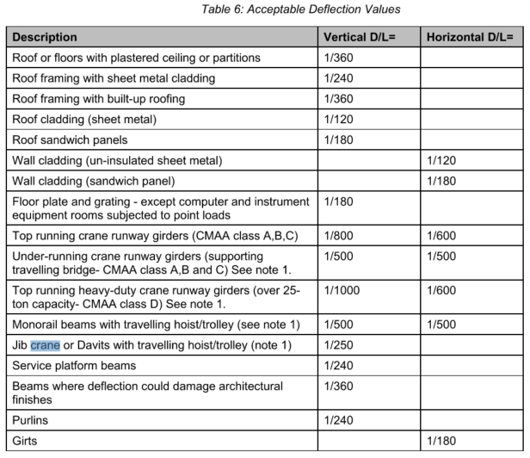
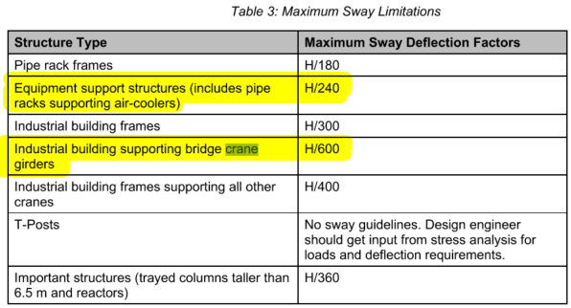
 |  | Symbol | Description
 |  | Dₛ | Structure Self Weight
 |  | Deq | Equipment Empty Dead Load
 |  | Dop | Equipment Operating Dead Load
 |  | Dhy | Equipment Hydrostatic Test Dead Load
 |  | Dc | Cable Tray Dead Load
 |  | Lf | Floor Live Load
 |  | Lₘ | Equipment Impact Load
 |  | Lᵥ | Vehicle Load
 |  | Bₚ | Bundle Pull Load
 |  | Tₛ | Structural Components Thermal Load
 |  | Tt | Temporary Thermal Load
 |  | Tₐ | Piping Anchor Load
 |  | Tg | Piping Guide Load
 |  | F | Friction Load
 |  | W | Wind Load
 |  | Wp | Partial Wind Load
 |  | E | Seismic Load
 |  | Lxc | Live Load Exclusive for Crane Loads
 |  | C | Live Load due to Crane Including Self Weight
 |  | Cd | Self weight of all cranes positioned for max effect.
 |  | C7 | Crane bumper impact load.
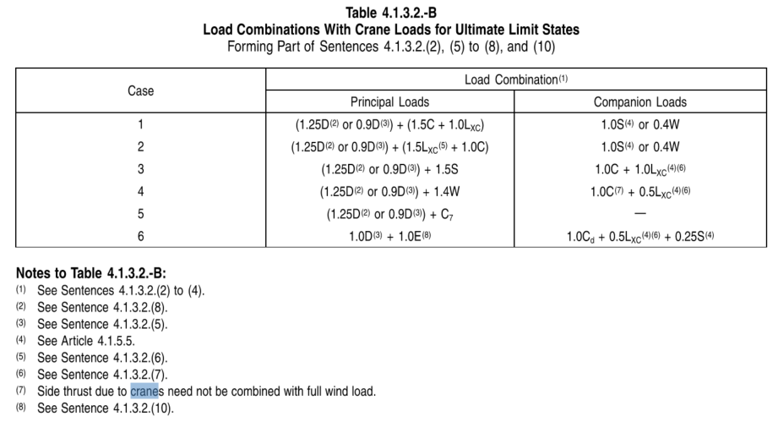
...
 |  | Load Combination with Crane Load for ULS

 |  | Case | Principal Loads (NBCC) | Companion Loads (NBCC) | Full Combination (NBCC symbols)
 |  | 1 | (1.25D) + (1.5C + 1.0LxC) | 1.0S | 1.25D + 1.5C + 1.0LxC + 1.0S
 |  | 1 | (1.25D) + (1.5C + 1.0LxC) | 0.4W | 1.25D + 1.5C + 1.0LxC + 0.4W
 |  | 1 | (0.9D) + (1.5C + 1.0LxC) | 1.0S | 0.9D + 1.5C + 1.0LxC + 1.0S
 |  |  | (0.9D) + (1.5C + 1.0LxC) | 0.4W | 0.9D + 1.5C + 1.0LxC + 0.4W
 |  |  | (1.25D) + (1.5LxC + 1.0C) | 1.0S | 1.25D + 1.5LxC + 1.0C + 1.0S
 |  |  | (1.25D) + (1.5LxC + 1.0C) | 0.4W | 1.25D + 1.5LxC + 1.0C + 0.4W
 |  | 2 | (0.9D) + (1.5LxC + 1.0C) | 1.0S | 0.9D + 1.5LxC + 1.0C + 1.0S
 |  | 2 | (0.9D) + (1.5LxC + 1.0C) | 0.4W | 0.9D + 1.5LxC + 1.0C + 0.4W
 |  | 3 | (1.25D) + 1.5S | 1.0C + 1.0LxC | 1.25D + 1.5S + 1.0C + 1.0LxC
 |  | 3 | (0.9D) + 1.5S | 1.0C + 1.0LxC | 0.9D + 1.5S + 1.0C + 1.0LxC
 |  | 4 | (1.25D) + 1.4W | 1.0C + 0.5LxC | 1.25D + 1.4W + 1.0C + 0.5LxC
 |  | 4 | (0.9D) + 1.4W | 1.0C + 0.5LxC | 0.9D + 1.4W + 1.0C + 0.5LxC
 |  | 5 | (1.25D) + C7 | — | 1.25D + C7
 |  | 5 | (0.9D) + C7 | — | 0.9D + C7
 | CSS | 6 | 1.0D + 1.0E | 1.0Cd + 0.5LxC + 0.25S | 1.0D + 1.0E + 1.0Cd + 0.5LxC + 0.25S
kN
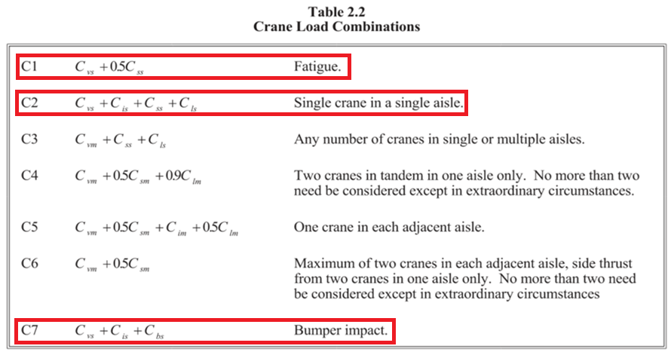
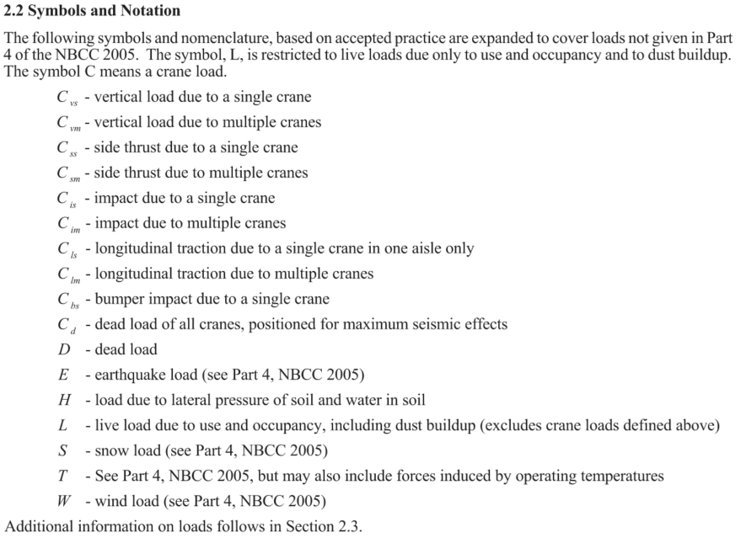
...
kN
...
kN

mm
mm
...

Site Data
